Overall - Toyota
TOTAL COMPANY | Apr-23 | May-23 | Jun-23 | Jul-23 | Aug-23 | Sep-23 | Oct-23 | Nov-23 | Dec-23 | Jan-24 | Feb-24 | Mar-24 | 2024 Year | 2024 Year | % of Gross Profit Orientation Benchmark | 2024 Calendar Year | Overhead expesnes Benchmark |  | Apr-24 | May-24 | Jun-24 | Jul-24 | Aug-24 | Sep-24 | Oct-24 | Nov-24 | Dec-24 | Jan-25 | Feb-25 | Mar-25 | 2025 Year | % of Gross Profit Orientation Benchmark | 2025 Financial Year | Net Profit Growth Rates | Overhead expesnes Benchmark
 | Actual | Actual | Actual | Actual | Actual | Actual | Actual | Actual | Actual | Actual | Actual | Actual | Calendar | Financial |  | % of Gross Profit Orientation |  |  | Projected | Projected | Projected | Projected | Projected | Projected | Projected | Projected | Projected | Projected | Projected | Projected | Financial |  | % of Gross Profit Orientation
Toyota Gross Profits
New Vehicles | 283,912 | 280,824 | 587,463 | 108,494 | 258,995 | 310,064 | 157,020 | 212,665 | 254,575 | 247,769 | 176,629 | 314,984 | 3,160,612 | 3,193,395 | 33% | 20% |  |  | 243,277 | 243,277 | 290,808 | 237,127 | 237,127 | 283,439 | 243,277 | 235,077 | 258,877 | 216,627 | 216,627 | 303,089 | 3,008,630 | 33% | 18%
Used Vehicles | 186,659 | 192,980 | 322,088 | 185,606 | 221,466 | 291,674 | 223,016 | 197,175 | 282,964 | 244,081 | 226,950 | 313,778 | 2,806,384 | 2,888,435 | 25% | 18% |  |  | 240,792 | 282,134 | 420,394 | 311,892 | 323,142 | 430,580 | 311,892 | 381,892 | 392,080 | 286,892 | 286,892 | 424,705 | 4,093,285 | 25% | 24%
F&I | 150,006 | 168,139 | 419,094 | 86,056 | 126,021 | 273,129 | 138,773 | 172,105 | 237,357 | 151,594 | 148,916 | 198,015 | 2,362,035 | 2,269,205 | 7% | 13% |  |  | 153,321 | 162,417 | 258,046 | 163,015 | 165,753 | 253,990 | 164,822 | 179,387 | 237,219 | 150,981 | 150,981 | 255,290 | 2,295,225 | 7% | 12%
Parts | 233,455 | 249,263 | 435,377 | 265,234 | 266,030 | 374,300 | 254,952 | 333,714 | 328,298 | 200,494 | 279,582 | 376,122 | 3,613,070 | 3,596,819 | 14% | 23% |  |  | 251,248 | 285,510 | 343,805 | 285,510 | 279,799 | 369,544 | 274,089 | 268,379 | 355,623 | 251,248 | 239,828 | 371,504 | 3,576,088 | 14% | 21%
Service | 368,801 | 597,915 | 504,622 | 449,671 | 578,961 | 493,007 | 499,217 | 600,508 | 529,229 | 491,372 | 496,543 | 519,481 | 6,049,027 | 6,129,327 | 28% | 39% |  |  | 512,300 | 582,159 | 477,371 | 582,159 | 570,516 | 535,586 | 558,873 | 547,230 | 512,300 | 512,300 | 489,014 | 547,230 | 6,427,037 | 28% | 38%
Total Toyota Gross Profits | 1,222,834 | 1,489,120 | 2,268,643 | 1,095,059 | 1,451,474 | 1,742,175 | 1,272,978 | 1,516,167 | 1,632,423 | 1,335,309 | 1,328,619 | 1,722,379 | 17,991,128 | 18,077,181 | 100% | 100% |  |  | 1,400,939 | 1,555,497 | 1,790,424 | 1,579,703 | 1,576,337 | 1,873,140 | 1,552,953 | 1,611,965 | 1,756,099 | 1,418,049 | 1,383,342 | 1,901,818 | 19,400,265 | 100% | 100%
Toyota Selling Expenses
New Vehicles | (214,956) | (226,042) | (237,266) | (209,983) | (203,970) | (181,520) | (169,891) | (205,495) | (166,461) | (189,652) | (207,247) | (152,122) | (2,285,402) | (2,364,604) |  |  |  |  | (160,883) | (160,883) | (161,008) | (159,365) | (159,365) | (159,486) | (160,883) | (158,858) | (151,344) | (151,234) | (151,234) | (163,037) | (1,897,581)
Used Vehicles | (189,805) | (181,967) | (219,992) | (194,956) | (213,864) | (204,744) | (195,556) | (230,125) | (207,393) | (211,496) | (212,538) | (219,196) | (2,382,924) | (2,481,632) |  |  |  |  | (188,237) | (194,386) | (202,481) | (195,956) | (197,340) | (198,977) | (195,956) | (209,116) | (190,011) | (188,381) | (188,381) | (198,208) | (2,347,432)
F&I | (62,390) | (73,635) | (77,554) | (62,825) | (67,113) | (63,201) | (69,176) | (80,704) | (60,424) | (69,106) | (54,286) | (64,688) | (792,582) | (805,102) |  |  |  |  | (67,868) | (67,868) | (67,868) | (67,868) | (67,868) | (67,868) | (67,868) | (67,868) | (67,868) | (67,868) | (67,868) | (67,868) | (814,422)
Parts | (99,590) | (130,401) | (136,644) | (118,245) | (133,080) | (125,249) | (130,529) | (120,353) | (124,585) | (143,808) | (105,320) | (89,598) | (1,510,102) | (1,457,401) |  |  |  |  | (103,368) | (103,368) | (103,368) | (103,368) | (103,368) | (103,368) | (103,368) | (103,368) | (103,368) | (103,368) | (103,368) | (103,368) | (1,240,422)
Service | (236,025) | (296,984) | (345,964) | (327,172) | (345,931) | (282,332) | (294,102) | (277,770) | (272,482) | (287,597) | (266,251) | (299,876) | (3,520,563) | (3,532,488) |  |  |  |  | (298,286) | (298,286) | (298,286) | (298,286) | (298,286) | (298,286) | (298,286) | (298,286) | (298,286) | (298,286) | (298,286) | (298,286) | (3,579,427)
Total Toyota Selling Expenses | (802,766) | (909,029) | (1,017,420) | (913,181) | (963,959) | (857,045) | (859,254) | (914,447) | (831,344) | (901,659) | (845,642) | (825,479) | (10,491,573) | (10,641,226) |  |  |  |  | (818,642) | (824,791) | (833,012) | (824,844) | (826,227) | (827,986) | (826,362) | (837,497) | (810,878) | (809,138) | (809,138) | (830,768) | (9,879,283)
Toyota Selling Gross
New Vehicles | 68,956 | 54,782 | 350,197 | (101,489) | 55,025 | 128,545 | (12,871) | 7,170 | 88,114 | 58,117 | (30,618) | 162,863 | 875,211 | 828,791 |  |  |  |  | 82,394 | 82,394 | 129,800 | 77,762 | 77,762 | 123,953 | 82,394 | 76,218 | 107,533 | 65,392 | 65,392 | 140,052 | 1,111,048
Used Vehicles | (3,146) | 11,012 | 102,096 | (9,350) | 7,602 | 86,930 | 27,459 | (32,950) | 75,572 | 32,585 | 14,411 | 94,582 | 423,460 | 406,803 |  |  |  |  | 52,555 | 87,748 | 217,913 | 115,936 | 125,802 | 231,603 | 115,936 | 172,776 | 202,068 | 98,511 | 98,511 | 226,497 | 1,745,854
F&I | 87,617 | 94,504 | 341,539 | 23,231 | 58,909 | 209,928 | 69,597 | 91,401 | 176,933 | 82,488 | 94,629 | 133,326 | 1,569,453 | 1,464,103 |  |  |  |  | 85,453 | 94,549 | 190,178 | 95,147 | 97,884 | 186,122 | 96,954 | 111,519 | 169,351 | 83,113 | 83,113 | 187,422 | 1,480,803
Parts | 133,864 | 118,862 | 298,733 | 146,989 | 132,950 | 249,052 | 124,423 | 213,361 | 203,713 | 56,686 | 174,262 | 286,523 | 2,102,968 | 2,139,418 |  |  |  |  | 147,880 | 182,141 | 240,437 | 182,141 | 176,431 | 266,175 | 170,721 | 165,011 | 252,255 | 147,880 | 136,460 | 268,136 | 2,335,667
Service | 132,776 | 300,931 | 158,657 | 122,499 | 233,029 | 210,675 | 205,115 | 322,739 | 256,747 | 203,775 | 230,292 | 219,605 | 2,528,464 | 2,596,839 |  |  |  |  | 214,015 | 283,874 | 179,085 | 283,874 | 272,230 | 237,301 | 260,587 | 248,944 | 214,015 | 214,015 | 190,728 | 248,944 | 2,847,610
Total Toyota Selling Gross | 420,068 | 580,091 | 1,251,223 | 181,879 | 487,515 | 885,130 | 413,724 | 601,720 | 801,079 | 433,650 | 482,976 | 896,900 | 7,499,556 | 7,435,955 |  |  |  |  | 582,297 | 730,705 | 957,413 | 754,859 | 750,110 | 1,045,154 | 726,591 | 774,468 | 945,221 | 608,910 | 574,204 | 1,071,050 | 9,520,982
Toyota Overheads | (540,083) | (648,053) | (596,262) | (543,171) | (612,226) | (561,056) | (547,437) | (571,714) | (560,377) | (571,136) | (551,694) | (562,294) | (6,360,200) | (6,865,503) |  |  | 35% |  | (684,556) | (670,946) | (655,178) | (659,931) | (666,883) | (671,044) | (686,397) | (671,987) | (656,954) | (684,380) | (687,648) | (671,317) | (8,067,220) |  |  |  | 42%
Net Profits | (120,016) | (67,962) | 654,961 | (361,292) | (124,711) | 324,074 | (133,713) | 30,006 | 240,702 | (137,486) | (68,717) | 334,605 | 1,139,356 | 570,452 |  |  |  |  | (102,259) | 59,759 | 302,234 | 94,929 | 83,227 | 374,110 | 40,195 | 102,480 | 288,267 | (75,470) | (113,444) | 399,734 | 1,453,762 |  |  | 28%

Check
NV |  |  |  |  |  |  |  |  |  |  |  |  |  |  |  |  |  |  | 0 | 0 | 0 | 0 | 0 | 0 | 0 | 0 | 0 | 0 | 0 | 0
UV |  |  |  |  |  |  |  |  |  |  |  |  |  |  |  |  |  |  | 0 | 0 | 0 | 0 | 0 | 0 | 0 | 0 | 0 | 0 | 0 | 0
F&I |  |  |  |  |  |  |  |  |  |  |  |  |  |  |  |  |  |  | 0 | 0 | 0 | 0 | 0 | 0 | 0 | 0 | 0 | 0 | 0 | 0
Parts |  |  |  |  |  |  |  |  |  |  |  |  |  |  |  |  |  |  | 0 | 0 | 0 | 0 | 0 | 0 | 0 | 0 | 0 | 0 | 0 | 0
Service |  |  |  |  |  |  |  |  |  |  |  |  |  |  |  |  |  |  | 0 | 0 | 0 | 0 | 0 | 0 | 0 | 0 | 0 | 0 | 0 | 0
LNV |  |  |  |  |  |  |  |  |  |  |  |  |  |  |  |  |  |  | 0 | 0 | 0 | 0 | 0 | 0 | 0 | 0 | 0 | 0 | 0 | 0
LUV |  |  |  |  |  |  |  |  |  |  |  |  |  |  |  |  |  |  | 0 | 0 | 0 | 0 | 0 | 0 | 0 | 0 | 0 | 0 | 0 | 0
LF&I |  |  |  |  |  |  |  |  |  |  |  |  |  |  |  |  |  |  | 0 | 0 | 0 | 0 | 0 | 0 | 0 | 0 | 0 | 0 | 0 | 0
LParts |  |  |  |  |  |  |  |  |  |  |  |  |  |  |  |  |  |  | 0 | 0 | 0 | 0 | 0 | 0 | 0 | 0 | 0 | 0 | 0 | 0
LService |  |  |  |  |  |  |  |  |  |  |  |  |  |  |  |  |  |  | 0 | 0 | 0 | 0 | 0 | 0 | 0 | 0 | 0 | 0 | 0 | 0
Bridgestone |  |  |  |  |  |  |  |  |  |  |  |  |  |  |  |  |  |  | 0 | 0 | 0 | 0 | 0 | 0 | 0 | 0 | 0 | 0 | 0 | 0
Retail Detailing |  |  |  |  |  |  |  |  |  |  |  |  |  |  |  |  |  |  | 0 | 0 | 0 | 0 | 0 | 0 | 0 | 0 | 0 | 0 | 0 | 0
Overhead |  |  |  |  |  |  |  |  |  |  |  |  |  |  |  |  |  |  | 0 | 0 | 0 | 0 | 0 | 0 | 0 | 0 | 0 | 0 | 0 | 0

 |  |  |  |  |  |  |  |  |  |  |  |  |  |  |  |  |  | Quarterly Profit: |  |  | 259,734 |  |  | 552,265 |  |  | 430,942 |  |  | 210,820 | 1,453,762
 |  |  |  |  |  |  |  |  |  |  |  |  |  |  |  |  |  | Quarterly NTS: |  |  | 0.83% |  |  | 1.71% |  |  | 1.35% |  |  | 0.69% | 1.15% | 2.00% | AKL SG1 Benchmark

 |  |  |  |  |  |  |  |  |  |  |  |  |  |  |  |  |  | NV | 4,095,000 | 4,095,000 | 4,095,000 | 3,990,000 | 3,990,000 | 3,990,000 | 4,095,000 | 3,955,000 | 3,640,000 | 3,640,000 | 3,640,000 | 4,270,000 | 47,495,000
 |  |  |  |  |  |  |  |  |  |  |  |  |  |  |  |  |  | UV | 3,631,250 | 4,006,250 | 4,331,250 | 4,106,250 | 4,218,750 | 4,331,250 | 4,106,250 | 4,806,250 | 3,960,750 | 3,824,250 | 3,832,250 | 4,306,250 | 49,461,000
 |  |  |  |  |  |  |  |  |  |  |  |  |  |  |  |  |  | Parts | 1,429,856 | 1,624,836 | 1,332,366 | 1,624,836 | 1,592,339 | 1,494,849 | 1,559,843 | 1,527,346 | 1,429,856 | 1,429,856 | 1,364,862 | 1,527,346 | 17,938,191
 |  |  |  |  |  |  |  |  |  |  |  |  |  |  |  |  |  | Service | 832,804 | 946,368 | 776,022 | 946,368 | 927,441 | 870,659 | 908,513 | 889,586 | 832,804 | 832,804 | 794,949 | 889,586 | 10,447,903
 |  |  |  |  |  |  |  |  |  |  |  |  |  |  |  |  |  | F&I - Toyota Care sales | 33,000 | 33,000 | 33,000 | 33,000 | 33,000 | 33,000 | 33,000 | 33,000 | 33,000 | 33,000 | 33,000 | 33,000 | 396,000
 |  |  |  |  |  |  |  |  |  |  |  |  |  |  |  |  |  | F&I - P&F sales | 25,000 | 25,000 | 25,000 | 25,000 | 25,000 | 25,000 | 25,000 | 25,000 | 25,000 | 25,000 | 25,000 | 25,000 | 300,000

 |  |  |  |  |  |  |  |  |  |  |  |  |  |  |  |  |  | TOTAL | $10,046,910 | $10,730,454 | $10,592,637 | $10,725,454 | $10,786,530 | $10,744,758 | $10,727,606 | $11,236,182 | $9,921,410 | $9,784,910 | $9,690,061 | $11,051,182 | $126,038,093
 |  |  |  |  |  |  |  |  |  |  |  |  |  |  |  |  |  | Quarterly Revenue: |  |  | $31,370,001 |  |  | $32,256,742 |  |  | $31,885,197 |  |  | $30,526,153

Total Toyota Gross Profits-2025

Used Vehicles - NW
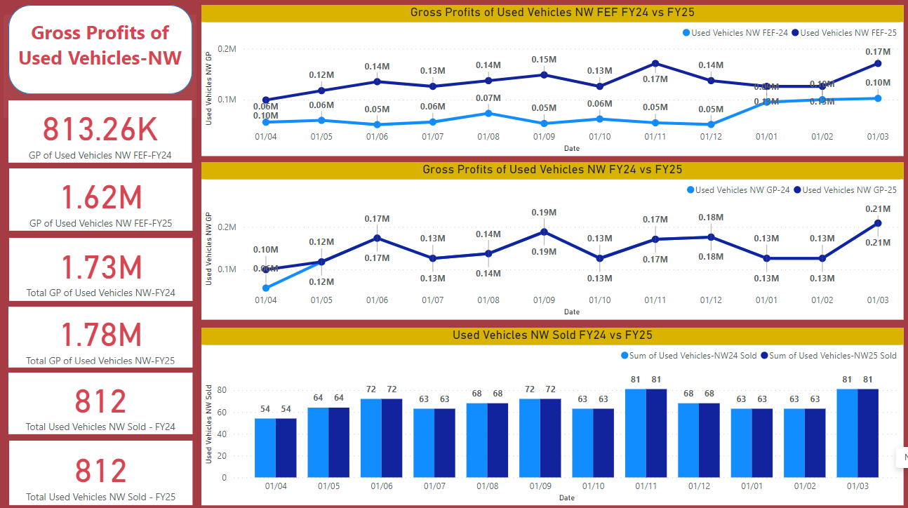
USED VEHICLES | Apr-23 | May-23 | Jun-23 | Jul-23 | Aug-23 | Sep-23 | Oct-23 | Nov-23 | Dec-23 | Jan-24 | Feb-24 | Mar-24 | 2024 Year
 | Actual | Actual | Actual | Actual | Actual | Actual | Actual | Actual | Actual | Actual | Actual | Actual | Financial

TNZ Sourced Sold | 15 | 25 | 10 | 13 | 15 | 20 | 18 | 13 | 19 | 15 | 21 | 20 | 204
Ex Demo Sold | 2 | 5 | 6 | 5 | 5 | 1 | 3 | 10 | 5 | 7 | 5 | 1 | 55
Other UV Sold | 14 | 17 | 19 | 13 | 14 | 14 | 14 | 35 | 18 | 20 | 27 | 17 | 222
Total Used Vehicles Sold | 31 | 47 | 35 | 31 | 34 | 35 | 35 | 58 | 42 | 42 | 53 | 38 | 481
Sales People | 3 | 2 | 2 | 3 | 4 | 4 | 4 | 4 | 4 | 4 | 4 | 4 | 4
Monthly UV / SP | 10 | 24 | 18 | 10 | 9 | 9 | 9 | 15 | 11 | 11 | 13 | 10 | 12

TNZ Sourced GP / Unit | $1,250 | $1,059 | $904 | $968 | $1,372 | $1,255 | $1,261 | $652 | $925 | $1,228 | $743 | $1,382 | $1,083
Ex Demo GP / Unit | $1,856 | $1,379 | $1,901 | $596 | $4,338 | $3,322 | $1,711 | $1,549 | $2,099 | $2,396 | -$1,637 | -$9,051 | $871
Other UV GP / Unit | $2,368 | $1,429 | $1,519 | $3,017 | $2,114 | $1,737 | $2,182 | $753 | $1,200 | $2,572 | $3,523 | $3,217 | $2,136
Gross Profit / Unit | $1,794 | $1,227 | $2,937 | $1,767 | $2,114 | $2,301 | $1,668 | $867 | $1,754 | $2,063 | $1,935 | $2,690 | $1,926
Incentive / Unit | $0 | $0 | $1,528 | $0 | $0 | $795 | $0 | $0 | $571 | $0 | $0 | $686 | $298
Total Variable Costs / Unit | $647 | $568 | $706 | $597 | $659 | $723 | $339 | $539 | $639 | $577 | $565 | $667 | $602
Semi Fixed Expenses / Unit | $1,674 | $1,070 | $1,816 | $1,823 | $2,054 | $1,515 | $1,797 | $1,128 | $1,454 | $1,468 | $1,188 | $1,829 | $1,568
Total Expenses / Unit | $2,321 | $1,638 | $2,522 | $2,420 | $2,713 | $2,238 | $2,136 | $1,667 | $2,093 | $2,045 | $1,752 | $2,496 | $2,170
Selling Gross / Unit | -$527 | -$411 | $415 | -$652 | -$600 | $63 | -$468 | -$800 | -$339 | $18 | $182 | $194 | -$244

Wholesaled Gross profit | $130 | $1,644 | $1,644 | $1,328 | $1,135 | $468 | $3,620 | $4,164 | $1,607 | $6,378 | -$2,640 | $6,981 | $26,460
Total UV Gross profit | $55,751 | $59,308 | $104,434 | $56,114 | $72,995 | $81,008 | $61,991 | $54,473 | $75,287 | $93,019 | $99,897 | $109,200 | $923,475
Total Selling Expenses | $71,943 | $76,978 | $88,281 | $75,010 | $92,255 | $78,324 | $74,757 | $96,699 | $87,927 | $85,889 | $92,878 | $94,859 | $1,015,798
Selling Gross on UV retails | -$16,192 | -$17,670 | $16,153 | -$18,896 | -$19,260 | $2,683 | -$12,766 | -$42,227 | -$12,639 | $7,130 | $7,019 | $14,341 | -$92,323

USED VEHICLES | Apr-24 | May-24 | Jun-24 | Jul-24 | Aug-24 | Sep-24 | Oct-24 | Nov-24 | Dec-24 | Jan-25 | Feb-25 | Mar-25 | 2025 Year
 | Projected | Projected | Projected | Projected | Projected | Projected | Projected | Projected | Projected | Projected | Projected | Projected | Financial

TNZ Sourced Sold | 21 | 25 | 25 | 26 | 26 | 26 | 26 | 26 | 26 | 26 | 26 | 26 | 306 | Based on Q1 TNZ Targets and Q125 expected to align with Q424 subject to change, split 2/2 between NS and NW
Ex Demo Sold | 5 | 5 | 5 | 5 | 5 | 5 | 5 | 5 | 5 | 5 | 5 | 5 | 61 | 12 Month Average
Other UV Sold | 29 | 36 | 44 | 33 | 37 | 42 | 33 | 51 | 37 | 33 | 33 | 51 | 459 | Total less TNZ Sources and Demo
Total Used Vehicles Sold | 55 | 65 | 73 | 64 | 69 | 73 | 64 | 82 | 69 | 64 | 64 | 82 | 826
Sales People | 3 | 4 | 4 | 4.5 | 4.5 | 4.5 | 4.5 | 4.5 | 4.5 | 4.5 | 4.5 | 4.5 | 4.3
Monthly UV / SP | 18 | 16 | 18 | 14 | 15 | 16 | 14 | 18 | 15 | 14 | 14 | 18 | 16 | Minimum 16 per units per sales persons

TNZ Sourced GP / Unit | $1,111 | $1,111 | $1,111 | $1,111 | $1,111 | $1,111 | $1,111 | $1,111 | $1,111 | $1,111 | $1,111 | $1,111 | $1,111 | 2023 CYTD Network Average - $1,111 per units
Ex Demo GP / Unit | $2,200 | $2,200 | $2,200 | $2,500 | $2,500 | $2,500 | $2,500 | $2,500 | $2,500 | $2,500 | $2,500 | $2,500 | $2,425 | 2023 CYTD Network Average - $3,514 per units, our 2023 CYTD showing $1,200 per units way behind our average group, we need to have $300 per quarter improvement inplace to regain back around $3,000 per units.
Other UV GP / Unit | $2,213 | $2,307 | $2,403 | $2,500 | $2,500 | $2,500 | $2,500 | $2,500 | $2,500 | $2,500 | $2,500 | $2,500 | $2,452 | 2023 CYTD Network Average - $2,957 per units
Gross Profit / Unit | $1,798 | $1,848 | $1,955 | $1,933 | $1,970 | $2,003 | $1,933 | $2,057 | $1,970 | $1,933 | $1,933 | $2,057 | $1,949
Incentive / Unit | $0 | $0 | $599 | $0 | $0 | $622 | $0 | $0 | $647 | $0 | $0 | $535 | $200
Total Variable Costs / Unit | $541 | $463 | $497 | $466 | $456 | $448 | $466 | $481 | $457 | $466 | $466 | $482 | $474 | 2023 CYTD Network Average - $578 per units
Semi Fixed Expenses / Unit | $852 | $722 | $643 | $733 | $685 | $643 | $733 | $573 | $685 | $733 | $733 | $573 | $692 | 2023 CYTD Network Average - $988 per units
Total Expenses / Unit | $1,393 | $1,185 | $1,140 | $1,199 | $1,141 | $1,091 | $1,199 | $1,053 | $1,142 | $1,199 | $1,199 | $1,055 | $1,166
Selling Gross / Unit | $405 | $663 | $1,414 | $734 | $830 | $1,534 | $734 | $1,004 | $1,475 | $734 | $734 | $1,537 | $983

Wholesaled Gross profit | 0 | 0 | 0 | 0 | 0 | 0 | 0 | 0 | 0 | 0 | 0 | 0 | $0
Total UV Gross profit | $99,328 | $120,576 | $187,083 | $124,219 | $135,469 | $192,281 | $124,219 | $169,219 | $179,965 | $124,219 | $124,219 | $213,182 | $1,793,978
Total Selling Expenses | $76,959 | $77,314 | $83,482 | $77,039 | $78,423 | $79,926 | $77,039 | $86,624 | $78,539 | $77,039 | $77,039 | $86,738 | $956,161
Selling Gross on UV retails | $22,369 | $43,262 | $103,601 | $47,180 | $57,046 | $112,355 | $47,180 | $82,595 | $101,426 | $47,180 | $47,180 | $126,444 | $837,817

Owned Sourced | 53% | 55% | 59% | 51% | 54% | 57% | 51% | 62% | 54% | 51% | 51% | 62% |  | 2023 CYTD Network Average - 1043/1837 = 57%
Variable Costs | $29,865.49 | $30,220.60 | $36,388.83 | $29,945.65 | $31,329.40 | $32,832.93 | $29,945.65 | $39,530.65 | $31,445.95 | $29,945.65 | $29,945.65 | $39,645.04 | $391,041
Semi-Fixed Expenses | $47,093.30 | $47,093.30 | $47,093.30 | $47,093.30 | $47,093.30 | $47,093.30 | $47,093.30 | $47,093.30 | $47,093.30 | $47,093.30 | $47,093.30 | $47,093.30 | $565,120

Luc's Salaries | $51 | $43 | $39 | $44 | $41 | $39 | $44 | $34 | $41 | $44 | $44 | $34 | $42 | Selling expenses factor to add on
Hybrid Sales |  |  |  | $39 | $36 | $34 | $39 | $30 | $36 | $39 | $39 | $30 | $60,000 | 50% split between NV & UV
 |  |  |  |  |  |  |  |  |  |  |  |  |  | Start on July with 10 delivery targets
Sweat Spots of Inventory Level

TNZ | 23 | 27 | 27 | 29 | 29 | 29 | 29 | 29 | 29 | 29 | 29 | 29 | 4-5 weeks | 1.1538461538 | Lead Time in month
Own | 36 | 42 | 50 | 39 | 44 | 48 | 39 | 57 | 44 | 39 | 39 | 57 | 10 days | 0.32876712329 | Lead Time in month
Total | 59 | 69 | 77 | 68 | 73 | 77 | 68 | 86 | 73 | 68 | 68 | 86 | 1.65 |  | Z-Score

Variable Expenses | $29,865 | $30,221 | $36,389 | $29,946 | $31,329 | $32,833 | $29,946 | $39,531 | $31,446 | $29,946 | $29,946 | $39,645 | $391,041
Semi Fixed Expenses | $47,093 | $47,093 | $47,093 | $47,093 | $47,093 | $47,093 | $47,093 | $47,093 | $47,093 | $47,093 | $47,093 | $47,093 | $565,120
Total Expenses | $76,959 | $77,314 | $83,482 | $77,039 | $78,423 | $79,926 | $77,039 | $86,624 | $78,539 | $77,039 | $77,039 | $86,738 | $956,161
 |  |  |  |  |  |  |  |  |  |  |  |  | $0 | check

Prior Owned Sources GP | $61,967 | $78,945 | $101,578 | $79,265 | $90,515 | $101,765 | $79,265 | $124,265 | $90,515 | $79,265 | $79,265 | $124,265
Additional Profits - 1.25 units @ $2k | $3,125 | $3,125 | $3,125 | $3,125 | $3,125 | $3,125 | $3,125 | $3,125 | $3,125 | $3,125 | $3,125 | $3,125
Post Owned Sources GP | $65,092 | $82,070 | $104,703 | $82,390 | $93,640 | $104,890 | $82,390 | $127,390 | $93,640 | $82,390 | $82,390 | $127,390

F&I
FINANCE AND INSURANCE | Apr-23 | May-23 | Jun-23 | Jul-23 | Aug-23 | Sep-23 | Oct-23 | Nov-23 | Dec-23 | Jan-24 | Feb-24 | Mar-24 | 2024 Year
 | Actual | Actual | Actual | Actual | Actual | Actual | Actual | Actual | Actual | Actual | Actual | Actual | Financial

Total Vehicles Sold | 248 | 269 | 364 | 140 | 237 | 253 | 204 | 277 | 222 | 243 | 211 | 229 | 2,897

F&I Income / Unit | $605 | $625 | $499 | $615 | $532 | $636 | $680 | $621 | $583 | $624 | $706 | $329 | $588
Incentive / Unit | $0 | $0 | $652 | $0 | $0 | $443 | $0 | $0 | $486 | $0 | $0 | $535 | $176
Total Gross / Unit | $605 | $625 | $1,151 | $615 | $532 | $1,080 | $680 | $621 | $1,069 | $624 | $706 | $865 | $764
Total F&I Costs / Unit | $252 | $274 | $213 | $449 | $283 | $250 | $339 | $291 | $272 | $284 | $257 | $282 | $287
Selling Gross / Unit | $353 | $351 | $938 | $166 | $249 | $830 | $341 | $330 | $797 | $339 | $448 | $582 | $477

Total F&I Gross profit | $150,006 | $168,139 | $419,094 | $86,056 | $126,021 | $273,129 | $138,773 | $172,105 | $237,357 | $151,594 | $148,916 | $198,015 | $2,269,205
Total Selling Expenses | $62,390 | $73,635 | $77,554 | $62,825 | $67,113 | $63,201 | $69,176 | $80,704 | $60,424 | $69,106 | $54,286 | $64,688 | $805,102
Total Selling Gross | $87,617 | $94,504 | $341,539 | $23,231 | $58,909 | $209,928 | $69,597 | $91,401 | $176,933 | $82,488 | $94,629 | $133,326 | $1,464,103

FINANCE AND INSURANCE | Apr-24 | May-24 | Jun-24 | Jul-24 | Aug-24 | Sep-24 | Oct-24 | Nov-24 | Dec-24 | Jan-25 | Feb-25 | Mar-25 | 2025 Year
 | Projected | Projected | Projected | Projected | Projected | Projected | Projected | Projected | Projected | Projected | Projected | Projected | Financial

Total Vehicles Sold | 254 | 269 | 282 | 270 | 274 | 279 | 273 | 297 | 254 | 250 | 250 | 286 | 3,233 | Expected NV deliveries decline compaire to prior year due to tough economic condition and high interest rate enviroment will remain in short term

F&I Income / Unit | $605 | $605 | $605 | $605 | $605 | $605 | $605 | $605 | $605 | $605 | $605 | $605 | $605 | 2023 CYTD Network Average - $713 per units
Incentive / Unit | $0 | $0 | $312 | $0 | $0 | $307 | $0 | $0 | $329 | $0 | $0 | $289 | $103
Total Gross / Unit | $605 | $605 | $917 | $605 | $605 | $912 | $605 | $605 | $934 | $605 | $605 | $894 | $708
Total F&I Costs / Unit | $268 | $253 | $241 | $252 | $248 | $244 | $249 | $229 | $267 | $272 | $272 | $238 | $253 | 2023 CYTD Network Average - $234 per units
Selling Gross / Unit | $337 | $352 | $676 | $353 | $357 | $668 | $356 | $376 | $667 | $333 | $333 | $656 | $455

Total F&I Gross profit | $153,321 | $162,417 | $258,046 | $163,015 | $165,753 | $253,990 | $164,822 | $179,387 | $237,219 | $150,981 | $150,981 | $255,290 | $2,295,225
Total Selling Expenses | $67,868 | $67,868 | $67,868 | $67,868 | $67,868 | $67,868 | $67,868 | $67,868 | $67,868 | $67,868 | $67,868 | $67,868 | $814,422
Total Selling Gross | $85,453 | $94,549 | $190,178 | $95,147 | $97,884 | $186,122 | $96,954 | $111,519 | $169,351 | $83,113 | $83,113 | $187,422 | $1,480,803

F&I Costs | $67,868.47 | $67,868.47 | $67,868.47 | $67,868.47 | $67,868.47 | $67,868.47 | $67,868.47 | $67,868.47 | $67,868.47 | $67,868.47 | $67,868.47 | $67,868.47 | $814,422 | 2023 CYTD Network Average - $72k per months

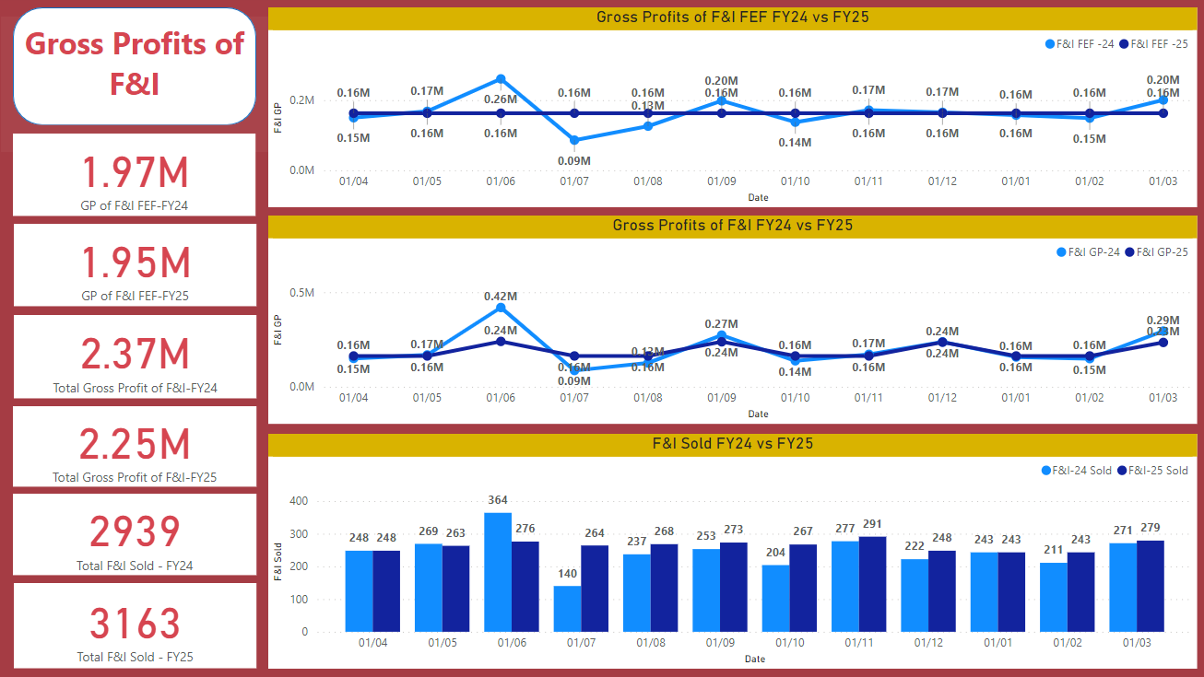
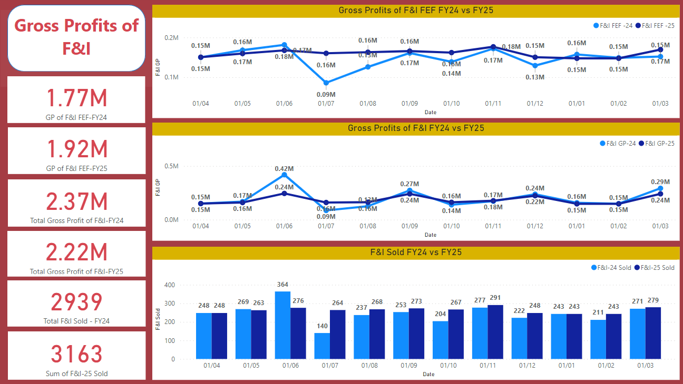
Total Selling Expenses | $67,868 | $67,868 | $67,868 | $67,868 | $67,868 | $67,868 | $67,868 | $67,868 | $67,868 | $67,868 | $67,868 | $67,868 | $814,422
 |  |  |  |  |  |  |  |  |  |  |  |  |  | What we could do to increase GP/Units to flight for the volume down
 |  |  |  |  |  |  |  |  |  |  |  |  | $0 | check

Income/units should be the same as FY 2024

F&I - NS
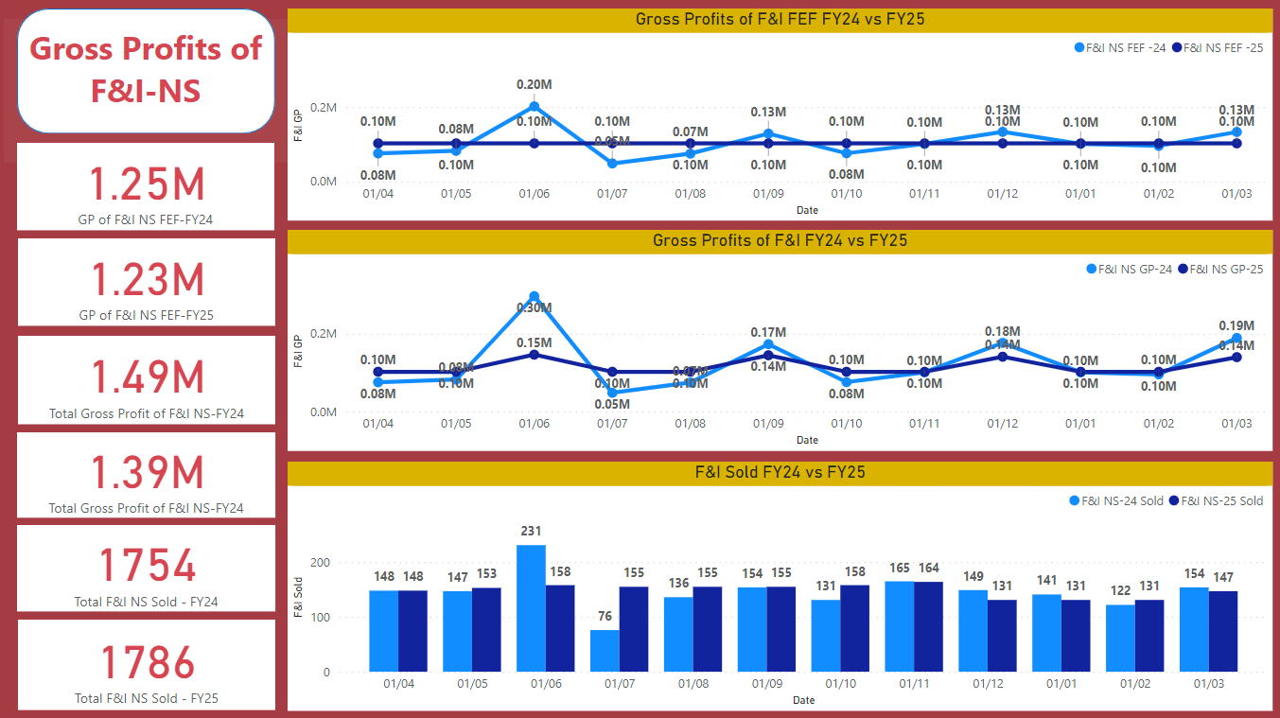
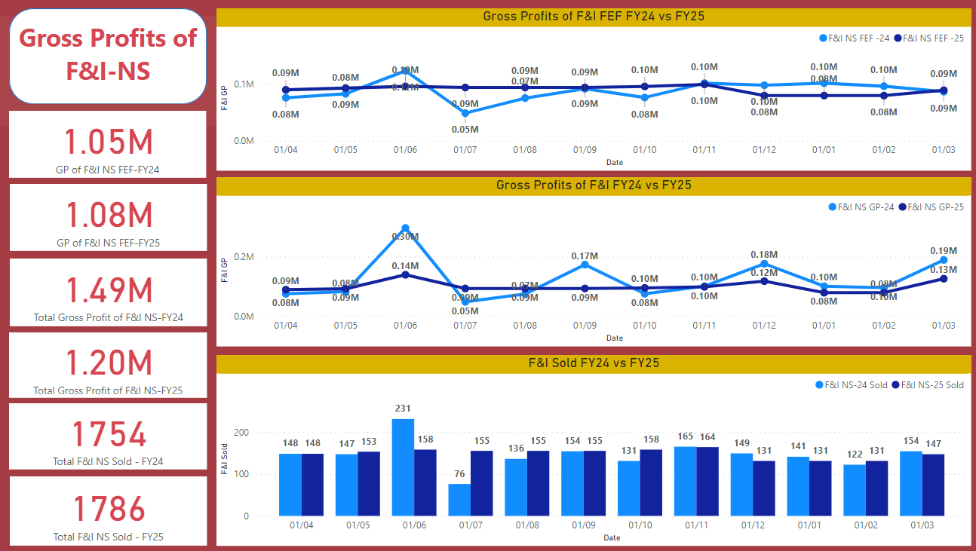
FINANCE AND INSURANCE | Apr-23 | May-23 | Jun-23 | Jul-23 | Aug-23 | Sep-23 | Oct-23 | Nov-23 | Dec-23 | Jan-24 | Feb-24 | Mar-24 | 2024 Year
 | Actual | Actual | Actual | Actual | Actual | Actual | Actual | Actual | Actual | Actual | Actual | Actual | Financial

Total Vehicles Sold | 148 | 147 | 231 | 76 | 136 | 154 | 131 | 165 | 149 | 141 | 122 | 136 | 1,736

F&I Income / Unit | $510 | $560 | $531 | $637 | $550 | $592 | $579 | $612 | $654 | $704 | $784 | $260 | $581
Incentive / Unit | $0 | $0 | $754 | $0 | $0 | $534 | $0 | $0 | $532 | $0 | $0 | $661 | $207
Total Gross / Unit | $510 | $560 | $1,285 | $637 | $550 | $1,126 | $579 | $612 | $1,185 | $704 | $784 | $921 | $788
Total F&I Costs / Unit | $212 | $247 | $212 | $494 | $306 | $221 | $312 | $299 | $215 | $287 | $253 | $219 | $273
Selling Gross / Unit | $298 | $313 | $1,073 | $143 | $244 | $905 | $267 | $312 | $971 | $416 | $531 | $702 | $515

Total F&I Gross profit | $75,422 | $82,382 | $296,764 | $48,383 | $74,785 | $173,412 | $75,828 | $100,948 | $176,607 | $99,219 | $95,691 | $125,255 | $1,424,697
Total Selling Expenses | $31,370 | $36,327 | $48,922 | $37,509 | $41,636 | $34,022 | $40,881 | $49,402 | $31,984 | $40,500 | $30,850 | $29,831 | $453,235
Total Selling Gross | $44,051 | $46,054 | $247,841 | $10,874 | $33,149 | $139,391 | $34,947 | $51,546 | $144,623 | $58,719 | $64,841 | $95,424 | $971,461
 | $75,422 | $82,382 | $122,628 | $48,383 | $74,785 | $91,187 | $75,828 | $100,948 | $97,407 | $99,219 | $95,691 | $963,880
 |  |  |  |  |  |  |  |  |  |  | 602.43 | 1,600
FINANCE AND INSURANCE | Apr-24 | May-24 | Jun-24 | Jul-24 | Aug-24 | Sep-24 | Oct-24 | Nov-24 | Dec-24 | Jan-25 | Feb-25 | Mar-25 | 2025 Year
 | Projected | Projected | Projected | Projected | Projected | Projected | Projected | Projected | Projected | Projected | Projected | Projected | Financial

Total Vehicles Sold | 151 | 156 | 161 | 158 | 158 | 158 | 161 | 167 | 136 | 136 | 136 | 151 | 1,828 | Expected NV deliveries decline compaire to prior year due to tough economic condition and high interest rate enviroment will remain in short term

F&I Income / Unit | $602 | $602 | $602 | $602 | $602 | $602 | $602 | $602 | $602 | $602 | $602 | $602 | $602 | 2023 CYTD Network Average - $713 per units
Incentive / Unit | $0 | $0 | $312 | $0 | $0 | $307 | $0 | $0 | $329 | $0 | $0 | $289 | $103
Total Gross / Unit | $602 | $602 | $914 | $602 | $602 | $909 | $602 | $602 | $931 | $602 | $602 | $891 | $705
Total F&I Costs / Unit | $259 | $251 | $243 | $248 | $248 | $248 | $244 | $235 | $289 | $289 | $289 | $260 | $259 | 2023 CYTD Network Average - $234 per units
Selling Gross / Unit | $343 | $351 | $671 | $354 | $354 | $661 | $359 | $368 | $642 | $313 | $313 | $632 | $447 | Calculated based on 9 months actual average of LY

Total F&I Gross profit | $91,117 | $94,129 | $147,406 | $95,183 | $95,183 | $143,689 | $96,990 | $100,605 | $126,173 | $81,629 | $81,629 | $134,600 | $1,288,334
Total Selling Expenses | $39,208 | $39,208 | $39,208 | $39,208 | $39,208 | $39,208 | $39,208 | $39,208 | $39,208 | $39,208 | $39,208 | $39,208 | $470,499
Total Selling Gross | $51,909 | $54,921 | $108,198 | $55,975 | $55,975 | $104,481 | $57,782 | $61,397 | $86,965 | $42,420 | $42,420 | $95,392 | $817,835

F&I Costs | $39,208.25 | $39,208.25 | $39,208.25 | $39,208.25 | $39,208.25 | $39,208.25 | $39,208.25 | $39,208.25 | $39,208.25 | $39,208.25 | $39,208.25 | $39,208.25 | $470,499

Total Selling Expenses | $39,208 | $39,208 | $39,208 | $39,208 | $39,208 | $39,208 | $39,208 | $39,208 | $39,208 | $39,208 | $39,208 | $39,208 | $470,499
 |  |  |  |  |  |  |  |  |  |  |  |  | $0 | check

F&I - NW
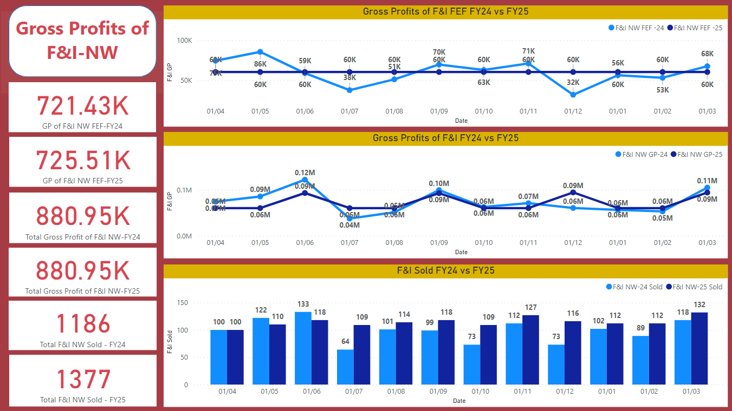
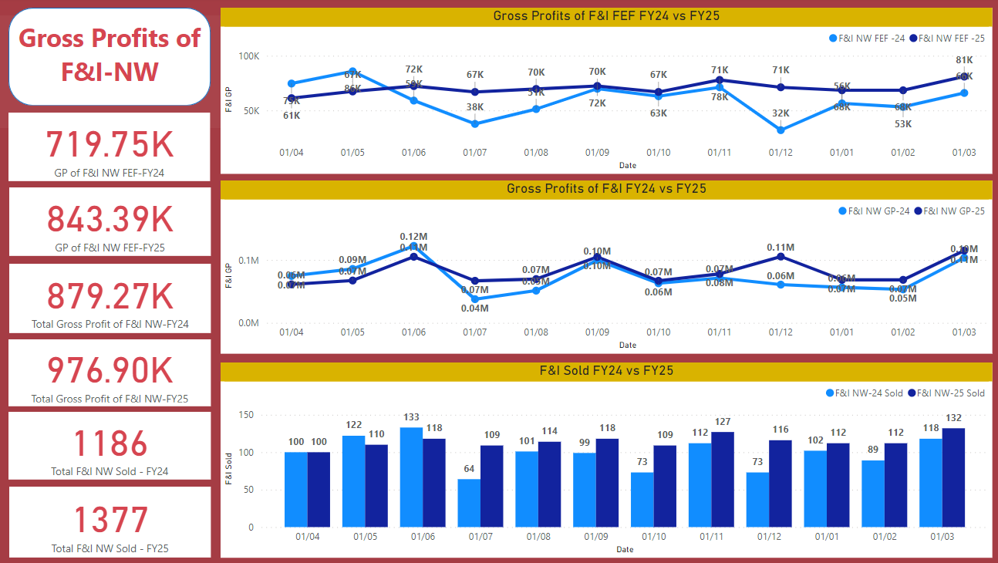
FINANCE AND INSURANCE | Apr-23 | May-23 | Jun-23 | Jul-23 | Aug-23 | Sep-23 | Oct-23 | Nov-23 | Dec-23 | Jan-24 | Feb-24 | Mar-24 | 2024 Year
 | Actual | Actual | Actual | Actual | Actual | Actual | Actual | Actual | Actual | Actual | Actual | Actual | Financial

Total Vehicles Sold | 100 | 122 | 133 | 64 | 101 | 99 | 73 | 112 | 73 | 102 | 89 | 93 | 1,161

F&I Income / Unit | $746 | $703 | $444 | $589 | $507 | $705 | $862 | $635 | $438 | $513 | $598 | $431 | $598
Incentive / Unit | $0 | $0 | $476 | $0 | $0 | $302 | $0 | $0 | $395 | $0 | $0 | $352 | $127
Total Gross / Unit | $746 | $703 | $920 | $589 | $507 | $1,007 | $862 | $635 | $832 | $513 | $598 | $782 | $725
Total F&I Costs / Unit | $310 | $306 | $215 | $396 | $252 | $295 | $397 | $282 | $390 | $280 | $263 | $378 | $314
Selling Gross / Unit | $436 | $397 | $704 | $193 | $255 | $713 | $465 | $353 | $443 | $233 | $335 | $405 | $411

Total F&I Gross profit | $74,585 | $85,757 | $122,330 | $37,672 | $51,236 | $99,717 | $62,945 | $71,157 | $60,750 | $52,375 | $53,225 | $72,760 | $844,508
Total Selling Expenses | $31,019 | $37,307 | $28,632 | $25,315 | $25,476 | $29,179 | $28,973 | $31,593 | $28,440 | $28,607 | $23,437 | $35,140 | $353,118
Total Selling Gross | $43,565 | $48,450 | $93,698 | $12,357 | $25,760 | $70,538 | $33,972 | $39,564 | $32,310 | $23,768 | $29,788 | $37,620 | $491,390
 | $74,585 | $85,757 | $59,008 | $37,672 | $51,236 | $69,817 | $62,945 | $71,157 | $31,950 | $52,375 | $53,225 | $649,726
 |  |  |  |  |  |  |  |  |  |  | 608.36 | 1,068
FINANCE AND INSURANCE | Apr-24 | May-24 | Jun-24 | Jul-24 | Aug-24 | Sep-24 | Oct-24 | Nov-24 | Dec-24 | Jan-25 | Feb-25 | Mar-25 | 2025 Year
 | Projected | Projected | Projected | Projected | Projected | Projected | Projected | Projected | Projected | Projected | Projected | Projected | Financial

Total Vehicles Sold | 102 | 112 | 120 | 112 | 116 | 121 | 112 | 130 | 119 | 114 | 114 | 135 | 1,405 | Expected NV deliveries decline compaire to prior year due to tough economic condition and high interest rate enviroment will remain in short term

F&I Income / Unit | $608 | $608 | $608 | $608 | $608 | $608 | $608 | $608 | $608 | $608 | $608 | $608 | $608 | 2023 CYTD Network Average - $713 per units
Incentive / Unit | $0 | $0 | $312 | $0 | $0 | $307 | $0 | $0 | $329 | $0 | $0 | $289 | $103 | Eric to comfirm P&F Fitting and Material costs
Total Gross / Unit | $608 | $608 | $920 | $608 | $608 | $915 | $608 | $608 | $937 | $608 | $608 | $897 | $711
Total F&I Costs / Unit | $280 | $255 | $238 | $257 | $247 | $238 | $257 | $221 | $242 | $251 | $251 | $213 | $246 | 2023 CYTD Network Average - $234 per units
Selling Gross / Unit | $328 | $353 | $682 | $351 | $361 | $678 | $351 | $387 | $695 | $357 | $357 | $684 | $465

Total F&I Gross profit | $62,205 | $68,288 | $110,640 | $67,832 | $70,570 | $110,301 | $67,832 | $78,782 | $111,046 | $69,353 | $69,353 | $120,690 | $1,006,891
Total Selling Expenses | $28,660 | $28,660 | $28,660 | $28,660 | $28,660 | $28,660 | $28,660 | $28,660 | $28,660 | $28,660 | $28,660 | $28,660 | $343,923
Total Selling Gross | $33,544 | $39,628 | $81,980 | $39,172 | $41,909 | $81,641 | $39,172 | $50,122 | $82,386 | $40,693 | $40,693 | $92,030 | $662,968

F&I Costs | $28,660.22 | $28,660.22 | $28,660.22 | $28,660.22 | $28,660.22 | $28,660.22 | $28,660.22 | $28,660.22 | $28,660.22 | $28,660.22 | $28,660.22 | $28,660.22 | $343,923

Total Selling Expenses | $28,660 | $28,660 | $28,660 | $28,660 | $28,660 | $28,660 | $28,660 | $28,660 | $28,660 | $28,660 | $28,660 | $28,660 | $343,923
 |  |  |  |  |  |  |  |  |  |  |  |  | $0 | check

Parts - Group
PARTS | Apr-23 | May-23 | Jun-23 | Jul-23 | Aug-23 | Sep-23 | Oct-23 | Nov-23 | Dec-23 | Jan-24 | Feb-24 | Mar-24 | 2024 Year
 | Actual | Actual | Actual | Actual | Actual | Actual | Actual | Actual | Actual | Actual | Actual | Actual | Financial

Total Parts Sales | $1,430,060 | $1,630,026 | $1,505,360 | $1,520,719 | $1,708,251 | $1,516,836 | $1,397,203 | $1,581,217 | $1,172,921 | $1,156,131 | $1,614,551 | $1,431,313 | $17,664,587
GP % | 16% | 15% | 18% | 17% | 16% | 17% | 18% | 21% | 19% | 17% | 17% | 18% | 20%
Total Genuine Parts Sales | $1,209,039 | $1,380,630 | $1,296,137 | $1,293,740 | $1,431,217 | $1,281,771 | $1,160,536 | $1,333,821 | $987,104 | $924,905 | $1,291,641 | $1,145,050 | $14,735,589
Genuine GP% | 15% | 15% | 30% | 16% | 14% | 25% | 17% | 21% | 28% | 17% | 17% | 28% | 20%
Total Non-Genuine Parts Sales | $221,021 | $249,396 | $209,223 | $226,980 | $277,034 | $235,065 | $236,667 | $247,397 | $185,817 | $231,226 | $322,910 | $286,263 | $2,928,998
Non-Genuine GP% | 22% | 19% | 22% | 26% | 22% | 23% | 26% | 22% | 27% | 20% | 20% | 20% | 22%
Non-Genuine : Total Parts Sales | 15% | 15% | 14% | 15% | 16% | 15% | 17% | 16% | 16% | 20% | 20% | 20% | 17%
Total Expenses % of Sales | 7% | 8% | 9% | 8% | 8% | 8% | 9% | 8% | 11% | 12% | 7% | 6% | 8%
Sales / SP | $102,147 | $108,668 | $94,085 | $101,381 | $131,404 | $116,680 | $107,477 | $121,632 | $97,743 | $105,103 | $161,455 | $159,035 | 117,234
Parts Employees | 14 | 15 | 16 | 15 | 13 | 13 | 13 | 13 | 12 | 11 | 10 | 9 | 13

Incentives | $0 | $0 | $158,306 | $0 | $0 | $112,125 | $0 | $0 | $108,000 | $0 | $0 | $122,625 | $501,056
Total Parts Gross profit | $233,455 | $249,263 | $435,377 | $265,234 | $266,030 | $374,300 | $254,952 | $333,714 | $328,298 | $200,494 | $279,582 | $376,122 | $3,596,819
Total Genuine Parts Gross profit | $184,929 | $201,329 | $388,563 | $205,663 | $204,182 | $319,325 | $192,247 | $279,880 | $277,899 | $154,249 | $215,000 | $318,869 | $2,942,135
Total Non Genuine Parts Gross profit | $48,525 | $47,934 | $46,814 | $59,571 | $61,848 | $54,976 | $62,705 | $53,834 | $50,398 | $46,245 | $64,582 | $57,253 | $654,684
Total Selling Expenses | $99,590 | $130,401 | $136,644 | $118,245 | $133,080 | $125,249 | $130,529 | $120,353 | $124,585 | $143,808 | $105,320 | $89,598 | $1,457,401
Total Selling Gross | $133,864 | $118,862 | $298,733 | $146,989 | $132,950 | $249,052 | $124,423 | $213,361 | $203,713 | $56,686 | $174,262 | $286,523 | $2,139,418

PARTS | Apr-24 | May-24 | Jun-24 | Jul-24 | Aug-24 | Sep-24 | Oct-24 | Nov-24 | Dec-24 | Jan-25 | Feb-25 | Mar-25 | 2025 Year
 | Projected | Projected | Projected | Projected | Projected | Projected | Projected | Projected | Projected | Projected | Projected | Projected | Financial

Total Parts Sales | $1,429,856 | $1,624,836 | $1,332,366 | $1,624,836 | $1,592,339 | $1,494,849 | $1,559,843 | $1,527,346 | $1,429,856 | $1,429,856 | $1,364,862 | $1,527,346 | $17,938,191 | 1.5%
GP % | 18% | 18% | 18% | 18% | 18% | 18% | 18% | 18% | 18% | 18% | 18% | 18% | 18%
Total Genuine Parts Sales | $1,192,826 | $1,355,484 | $1,111,497 | $1,355,484 | $1,328,374 | $1,247,045 | $1,301,265 | $1,274,155 | $1,192,826 | $1,192,826 | $1,138,607 | $1,274,155 | $14,964,543
Genuine GP% | 17% | 17% | 17% | 17% | 17% | 17% | 17% | 17% | 17% | 17% | 17% | 17% | 17%
Total Non-Genuine Parts Sales | $237,030 | $269,352 | $220,869 | $269,352 | $263,965 | $247,804 | $258,578 | $253,191 | $237,030 | $237,030 | $226,256 | $253,191 | $2,973,648
Non-Genuine GP% | 21% | 21% | 21% | 21% | 21% | 21% | 21% | 21% | 21% | 21% | 21% | 21% | 21%
Non-Genuine : Total Parts Sales | 17% | 17% | 17% | 17% | 17% | 17% | 17% | 17% | 17% | 17% | 17% | 17% | 17%
Total Expenses % of Sales | 7% | 6% | 8% | 6% | 6% | 7% | 7% | 7% | 7% | 7% | 8% | 7% | 7%
Sales / SP | $158,873 | $162,484 | $133,237 | $147,712 | $144,758 | $135,895 | $141,804 | $138,850 | $129,987 | $129,987 | $124,078 | $138,850 | $140,142
Parts Employees | 9.00 | 10.00 | 10.00 | 11.00 | 11.00 | 11.00 | 11.00 | 11.00 | 11.00 | 11.00 | 11.00 | 11.00 | 10.67

Incentives | $0 | $0 | $109,688 | $0 | $0 | $106,875 | $0 | $0 | $104,375 | $0 | $0 | $103,125 | $424,063
Total Parts Gross profit | $251,248 | $285,510 | $234,118 | $285,510 | $279,799 | $262,669 | $274,089 | $268,379 | $251,248 | $251,248 | $239,828 | $268,379 | $3,152,026
Total Genuine Parts Gross profit | $202,625 | $230,255 | $188,809 | $230,255 | $225,650 | $211,835 | $221,045 | $216,440 | $202,625 | $202,625 | $193,414 | $216,440 | $2,542,019
Total Non Genuine Parts Gross profit | $48,624 | $55,254 | $45,308 | $55,254 | $54,149 | $50,834 | $53,044 | $51,939 | $48,624 | $48,624 | $46,414 | $51,939 | $610,007
Total Selling Expenses | $103,368 | $103,368 | $103,368 | $103,368 | $103,368 | $103,368 | $103,368 | $103,368 | $103,368 | $103,368 | $103,368 | $103,368 | $1,240,422 | -15%
Total Selling Gross | $147,880 | $182,141 | $240,437 | $182,141 | $176,431 | $266,175 | $170,721 | $165,011 | $252,255 | $147,880 | $136,460 | $268,136 | $2,335,667

 |  |  |  |  |  |  |  |  |  |  |  |  | $0
Total Parts Sales Growth | 2024 | 2023 | 2022 | 2021 | 2020 | 2019 | 2018
130 / 132 | $9,322,299 | $9,545,882 | $9,589,652 | $8,832,500 | $10,818,991 | $11,774,185 | $11,037,457 |  |  |  |  |  |  | Sep in to G / NG
 | -2% | 0% | 9% | -18% | -8% | 7% |  |  |  |  |  |  |  | Forecast Parts sales methods re-look at?
230 | $4,431,220 | $4,804,783 | $4,115,743 | $4,076,775 | $4,149,391 | $3,987,461 | $4,156,729
 | -8% | 17% | 1% | -2% | 4% | -4%
330 | $1,727,012 | $1,589,681 | $1,572,457 | $1,429,283 | $1,551,987 | $1,339,537 | $1,283,422
 | 9% | 1% | 10% | -8% | 16% | 4%
430 | $2,506,944 | $2,699,125 | $802,277
 | -7% | 236%
Group | $17,987,474 | $18,639,471 | $16,080,129 | $14,338,558 | $16,520,368 | $17,101,183 | $16,477,609
 | -3% | 16% | 12% | -13% | -3% | 4%

Total Selling Expenses | $103,368 | $103,368 | $103,368 | $103,368 | $103,368 | $103,368 | $103,368 | $103,368 | $103,368 | $103,368 | $103,368 | $103,368 | $1,240,422

Total GP Excl FEF FY24 | $233,455 | $249,263 | $277,071 | $265,234 | $266,030 | $262,175 | $254,952 | $333,714 | $220,298 | $200,494 | $279,582 | $253,497 | $3,095,763
Total GP Excl FEF FY25 | $251,248 | $285,510 | $234,118 | $285,510 | $279,799 | $262,669 | $274,089 | $268,379 | $251,248 | $251,248 | $239,828 | $268,379 | $3,152,026
Total GP Incl FEF FY24 | $233,455 | $249,263 | $435,377 | $265,234 | $266,030 | $374,300 | $254,952 | $333,714 | $328,298 | $200,494 | $279,582 | $376,122 | $3,596,819
Total GP Incl FEF FY25 | $251,248 | $285,510 | $343,805 | $285,510 | $279,799 | $369,544 | $274,089 | $268,379 | $355,623 | $251,248 | $239,828 | $371,504 | $3,576,088
GP Excl FEF FY24 VS FY25
 | Total GP Excl FEF FY24 | Total GP Excl FEF FY25
Apr-24 | $233,455 | $251,248
May-24 | $249,263 | $285,510
Jun-24 | $277,071 | $234,118
Jul-24 | $265,234 | $285,510
Aug-24 | $266,030 | $279,799
Sep-24 | $262,175 | $262,669
Oct-24 | $254,952 | $274,089
Nov-24 | $333,714 | $268,379
Dec-24 | $220,298 | $251,248
Jan-25 | $200,494 | $251,248
Feb-25 | $279,582 | $239,828
Mar-25 | $253,497 | $268,379
GP Incl FEF FY24 VS FY25
 | Total GP Incl FEF FY24 | Total GP Incl FEF FY25
 | $233,455 | $251,248
 | $249,263 | $285,510
 | $435,377 | $343,805
 | $265,234 | $285,510
 | $266,030 | $279,799
 | $374,300 | $369,544
 | $254,952 | $274,089
 | $333,714 | $268,379
 | $328,298 | $355,623
 | $200,494 | $251,248
 | $279,582 | $239,828
 | $376,122 | $371,504

Parts - 130
PARTS | Apr-23 | May-23 | Jun-23 | Jul-23 | Aug-23 | Sep-23 | Oct-23 | Nov-23 | Dec-23 | Jan-24 | Feb-24 | Mar-24 | 2024 Year
 | Actual | Actual | Actual | Actual | Actual | Actual | Actual | Actual | Actual | Actual | Actual | Actual | Financial
 |  |  |  |  |  |  |  |  |  |  |  |  |  |  | $8,908,393
Total Parts Sales | $712,152 | $829,819 | $728,620 | $733,409 | $881,154 | $837,581 | $745,952 | $807,556 | $625,807 | $605,898 | $780,498 | $710,966 | $8,999,411 |  | $759,535 | average sales per month calander year
GP % | 17% | 15% | 19% | 19% | 14% | 19% | 18% | 18% | 18% | 17% | 17% | 18% | 19% |  | 17%
Total Genuine Parts Sales | $546,071 | $635,881 | $589,473 | $564,325 | $668,245 | $676,495 | $567,221 | $623,428 | $495,185 | $484,718 | $624,398 | $568,773 | $7,044,216 | Total Parts Sales-Total Non-Genuine Parts Sales
Genuine GP% | 17% | 13% | 30% | 19% | 15% | 23% | 18% | 18% | 26% | 16% | 16% | 26% | 20%
Total Non-Genuine Parts Sales | $166,081 | $193,938 | $139,147 | $169,084 | $212,909 | $161,085 | $178,730 | $184,128 | $130,622 | $121,180 | $156,100 | $142,193 | $1,955,196 |  | $164,818 | average sales per month calander year
Non-Genuine GP% | 19% | 20% | 22% | 18% | 10% | 27% | 18% | 18% | 21% | 20% | 20% | 20% | 19% |  | 19%
Non-Genuine : Total Parts Sales | 23% | 23% | 19% | 23% | 24% | 19% | 24% | 23% | 21% | 20% | 20% | 20% | 22%
Total Expenses % of Sales | 9% | 10% | 12% | 9% | 9% | 9% | 10% | 9% | 12% | 12% | 8% | 7% | 10%
Sales / SP | $89,019 | $92,202 | $80,958 | $91,676 | $125,879 | $119,654 | $106,565 | $115,365 | $104,301 | $100,983 | $156,100 | $177,742 | 113,370 |  | $105,758.10
Parts Employees | 8.00 | 9.00 | 9.00 | 8.00 | 7.00 | 7.00 | 7.00 | 7.00 | 6.00 | 6.00 | 5.00 | 4.00 | 7 |  | 7.18

Incentives | $0 | $0 | $63,322 | $0 | $0 | $44,850 | $0 | $0 | $43,200 | $0 | $0 | $49,050 | $200,422
Total Parts Gross profit | $123,640 | $120,507 | $203,944 | $138,551 | $121,843 | $199,920 | $134,630 | $141,945 | $154,206 | $103,289 | $134,140 | $177,307 | $1,753,923 | Total Parts Gross profit-Total Non Genuine Parts Gross profit
Total Genuine Parts Gross profit | $91,354 | $82,437 | $173,931 | $107,592 | $101,042 | $155,911 | $102,244 | $109,281 | $127,351 | $79,053 | $102,920 | $148,868 | $1,381,983
Total Non Genuine Parts Gross profit | $32,286 | $38,070 | $30,014 | $30,959 | $20,801 | $44,009 | $32,386 | $32,664 | $26,856 | $24,236 | $31,220 | $28,439 | $371,940 | Total Non-Genuine Parts Sales*GP%
Total Selling Expenses | $63,594 | $79,272 | $85,595 | $65,799 | $80,604 | $79,190 | $75,950 | $73,904 | $73,713 | $73,307 | $63,706 | $52,024 | $866,658 |  | $74,058
Total Selling Gross | $60,047 | $41,235 | $118,350 | $72,752 | $41,239 | $120,730 | $58,680 | $68,041 | $80,493 | $29,982 | $70,433 | $125,282 | $887,265 |  | $761,983

PARTS | Apr-24 | May-24 | Jun-24 | Jul-24 | Aug-24 | Sep-24 | Oct-24 | Nov-24 | Dec-24 | Jan-25 | Feb-25 | Mar-25 | 2025 Year
 | Projected | Projected | Projected | Projected | Projected | Projected | Projected | Projected | Projected | Projected | Projected | Projected | Financial

Total Parts Sales | $728,105 | $827,392 | $678,461 | $827,392 | $810,844 | $761,200 | $794,296 | $777,748 | $728,105 | $728,105 | $695,009 | $777,748 | $9,134,402 | G+NG
GP % | 17% | 17% | 17% | 17% | 17% | 17% | 17% | 17% | 17% | 17% | 17% | 17% | 17%
Total Genuine Parts Sales | $569,918 | $647,634 | $531,060 | $647,634 | $634,681 | $595,823 | $621,729 | $608,776 | $569,918 | $569,918 | $544,013 | $608,776 | $7,149,879 | 1.5% Annualised Growth
Genuine GP% | 17% | 17% | 17% | 17% | 17% | 17% | 17% | 17% | 17% | 17% | 17% | 17% | 17% | LY Average
Total Non-Genuine Parts Sales | $158,187 | $179,758 | $147,401 | $179,758 | $176,162 | $165,377 | $172,567 | $168,972 | $158,187 | $158,187 | $150,996 | $168,972 | $1,984,524 | 1.5% Annualised Growth
Non-Genuine GP% | 18% | 18% | 18% | 18% | 18% | 18% | 18% | 18% | 18% | 18% | 18% | 18% | 18% | 1% reduction of LY Average of 19%
Non-Genuine : Total Parts Sales | 22% | 22% | 22% | 22% | 22% | 22% | 22% | 22% | 22% | 22% | 22% | 22% | 22% | NG Contribution
Total Expenses % of Sales | 7% | 6% | 8% | 6% | 7% | 7% | 7% | 7% | 7% | 7% | 8% | 7% | 7% | Network benchmarks is 7%
Sales / SP | $182,026 | $165,478 | $135,692 | $137,899 | $135,141 | $126,867 | $132,383 | $129,625 | $121,351 | $121,351 | $115,835 | $129,625 | $134,329 | LY Average $96,830 / SG1 Average $108,840 and to maintain it at 5% growth and 6 people this will increase to $137k
Parts Employees | 4 | 5 | 5 | 6 | 6 | 6 | 6 | 6 | 6 | 6 | 6 | 6 | 6 | Need to look at staff numbers

Incentives | $0 | $0 | $54,844 | $0 | $0 | $58,295 | $0 | $0 | $56,932 | $0 | $0 | $56,250 | $226,321 |  |  |  | 100
Total Parts Gross profit | $125,772 | $142,923 | $117,197 | $142,923 | $140,065 | $131,489 | $137,206 | $134,348 | $125,772 | $125,772 | $120,056 | $134,348 | $1,577,873
Total Genuine Parts Gross profit | $97,383 | $110,663 | $90,744 | $110,663 | $108,450 | $101,810 | $106,236 | $104,023 | $97,383 | $97,383 | $92,957 | $104,023 | $1,221,720
Total Non Genuine Parts Gross profit | $28,389 | $32,260 | $26,453 | $32,260 | $31,615 | $29,679 | $30,970 | $30,325 | $28,389 | $28,389 | $27,099 | $30,325 | $356,153
Total Selling Expenses | $53,491 | $53,491 | $53,491 | $53,491 | $53,491 | $53,491 | $53,491 | $53,491 | $53,491 | $53,491 | $53,491 | $53,491 | $641,888
Total Selling Gross | $72,282 | $89,433 | $118,550 | $89,433 | $86,574 | $136,294 | $83,716 | $80,857 | $129,214 | $72,282 | $66,565 | $137,107 | $1,162,306 | 4%

 |  |  |  |  |  |  |  |  |  |  |  |  | 12 months Services sales average
Seasonalities | 0.95 | 1.11 | 0.97 | 0.98 | 1.17 | 1.12 | 0.99 | 1.08 | 0.83 | 0.81 | 1.04 | 0.95 | $749,951
Seasonality based on working day | 0.96 | 1.09 | 0.89 | 1.09 | 1.07 | 1.00 | 1.04 | 1.02 | 0.96 | 0.96 | 0.91 | 1.02

Total Selling Expenses | $53,491 | $53,491 | $53,491 | $53,491 | $53,491 | $53,491 | $53,491 | $53,491 | $53,491 | $53,491 | $53,491 | $53,491 | $641,888
 |  |  |  |  |  |  |  |  |  |  |  |  | $0 | check
Total GP Excl FEF FY24 | $123,640 | $120,507 | $140,622 | $138,551 | $121,843 | $155,070 | $134,630 | $141,945 | $111,006 | $103,289 | $134,140 | $128,257 | $1,553,501
Total GP Excl FEF FY25 | $125,772 | $142,923 | $117,197 | $142,923 | $140,065 | $131,489 | $137,206 | $134,348 | $125,772 | $125,772 | $120,056 | $134,348 | $1,577,873
Total GP Incl FEF FY24 | $123,640 | $120,507 | $203,944 | $138,551 | $121,843 | $199,920 | $134,630 | $141,945 | $154,206 | $103,289 | $134,140 | $177,307 | $1,753,923
Total GP Incl FEF FY25 | $125,772 | $142,923 | $172,041 | $142,923 | $140,065 | $189,785 | $137,206 | $134,348 | $182,704 | $125,772 | $120,056 | $190,598 | $1,804,194

GP Excl FEF FY24 VS FY25
 | Total GP Excl FEF FY24 | Total GP Excl FEF FY25
Apr-24 | $123,640 | $125,772
May-24 | $120,507 | $142,923
Jun-24 | $140,622 | $117,197
Jul-24 | $138,551 | $142,923
Aug-24 | $121,843 | $140,065
Sep-24 | $155,070 | $131,489
Oct-24 | $134,630 | $137,206
Nov-24 | $141,945 | $134,348
Dec-24 | $111,006 | $125,772
Jan-25 | $103,289 | $125,772
Feb-25 | $134,140 | $120,056
Mar-25 | $128,257 | $134,348
GP Incl FEF FY24 VS FY25
 | Total GP Incl FEF FY24 | Total GP Incl FEF FY25
Apr-24 | $123,640 | $125,772
May-24 | $120,507 | $142,923
Jun-24 | $203,944 | $172,041
Jul-24 | $138,551 | $142,923
Aug-24 | $121,843 | $140,065
Sep-24 | $199,920 | $189,785
Oct-24 | $134,630 | $137,206
Nov-24 | $141,945 | $134,348
Dec-24 | $154,206 | $182,704
Jan-25 | $103,289 | $125,772
Feb-25 | $134,140 | $120,056
Mar-25 | $177,307 | $190,598

Parts - 230
PARTS | Apr-23 | May-23 | Jun-23 | Jul-23 | Aug-23 | Sep-23 | Oct-23 | Nov-23 | Dec-23 | Jan-24 | Feb-24 | Mar-24 | 2024 Year
 | Actual | Actual | Actual | Actual | Actual | Actual | Actual | Actual | Actual | Actual | Actual | Actual | Financial
 |  |  |  |  |  |  |  |  |  |  |  |  |  |  | $4,364,966
Total Parts Sales | $348,233 | $437,420 | $402,927 | $387,112 | $464,904 | $317,045 | $328,332 | $380,640 | $264,431 | $240,738 | $424,471 | $434,968 | $4,431,220 |  | $371,057 | average sales per month calander year
GP % | 17% | 17% | 18% | 18% | 19% | 20% | 19% | 19% | 21% | 19% | 19% | 19% | 21% |  | 19%
Total Genuine Parts Sales | $314,720 | $394,911 | $357,471 | $335,962 | $418,024 | $273,910 | $288,404 | $336,941 | $238,512 | $192,591 | $339,577 | $347,974 | $3,838,998
Genuine GP% | 17% | 16% | 27% | 18% | 19% | 28% | 19% | 19% | 30% | 19% | 18% | 26% | 21%
Total Non-Genuine Parts Sales | $33,513 | $42,509 | $45,456 | $51,149 | $46,880 | $43,135 | $39,927 | $43,699 | $25,919 | $48,148 | $84,894 | $86,994 | $592,222 |  | $45,930 | average sales per month calander year
Non-Genuine GP% | 21% | 22% | 22% | 19% | 21% | 22% | 23% | 21% | 21% | 20% | 20% | 20% | 21% |  | 21%
Non-Genuine : Total Parts Sales | 10% | 10% | 11% | 13% | 10% | 14% | 12% | 11% | 10% | 20% | 20% | 20% | 13%
Total Expenses % of Sales | 8% | 8% | 9% | 10% | 8% | 10% | 11% | 8% | 13% | 22% | 6% | 6% | 9%
Sales / SP | $87,058 | $109,355 | $80,585 | $77,422 | $116,226 | $79,261 | $82,083 | $95,160 | $66,108 | $80,246 | $141,490 | $144,989 | $96,665 |  | $92,764.28
Parts Employees | 4.00 | 4.00 | 5.00 | 5.00 | 4.00 | 4.00 | 4.00 | 4.00 | 4.00 | 3.00 | 3.00 | 3.00 | 4 |  | 4.00

Incentives | $0 | $0 | $31,661 | $0 | $0 | $22,425 | $0 | $0 | $21,600 | $0 | $0 | $24,525 | $100,211
Total Parts Gross profit | $60,164 | $72,344 | $106,129 | $69,757 | $87,871 | $84,836 | $63,135 | $72,664 | $76,254 | $45,311 | $79,742 | $107,906 | $926,114
Total Genuine Parts Gross profit | $52,976 | $63,111 | $96,156 | $59,998 | $77,839 | $75,514 | $53,960 | $63,387 | $70,736 | $35,682 | $62,763 | $90,508 | $802,628
Total Non Genuine Parts Gross profit | $7,188 | $9,233 | $9,973 | $9,759 | $10,032 | $9,322 | $9,175 | $9,277 | $5,518 | $9,630 | $16,979 | $17,399 | $123,485
Total Selling Expenses | $28,270 | $36,197 | $37,287 | $37,743 | $37,397 | $32,071 | $37,625 | $32,055 | $35,138 | $53,412 | $25,806 | $27,023 | $420,024 |  | $35,727
Total Selling Gross | $31,894 | $36,146 | $68,843 | $32,014 | $50,475 | $52,765 | $25,510 | $40,609 | $41,115 | -$8,101 | $53,936 | $80,884 | $506,090 |  | $425,206

PARTS | Apr-24 | May-24 | Jun-24 | Jul-24 | Aug-24 | Sep-24 | Oct-24 | Nov-24 | Dec-24 | Jan-25 | Feb-25 | Mar-25 | 2025 Year
 | Projected | Projected | Projected | Projected | Projected | Projected | Projected | Projected | Projected | Projected | Projected | Projected | Financial

Total Parts Sales | $358,511 | $407,399 | $334,067 | $407,399 | $399,251 | $374,807 | $391,103 | $382,955 | $358,511 | $358,511 | $342,215 | $382,955 | $4,497,688 | G+NG
GP % | 19% | 19% | 19% | 19% | 19% | 19% | 19% | 19% | 19% | 19% | 19% | 19% | 19% | LY Average
Total Genuine Parts Sales | $310,597 | $352,951 | $289,420 | $352,951 | $345,892 | $324,715 | $338,833 | $331,774 | $310,597 | $310,597 | $296,479 | $331,774 | $3,896,583 | 1.5% Annualised Growth
Genuine GP% | 18% | 18% | 18% | 18% | 18% | 18% | 18% | 18% | 18% | 18% | 18% | 18% | 18% | LY Average
Total Non-Genuine Parts Sales | $47,914 | $54,448 | $44,647 | $54,448 | $53,359 | $50,092 | $52,270 | $51,181 | $47,914 | $47,914 | $45,736 | $51,181 | $601,106 | 1.5% Annualised Growth
Non-Genuine GP% | 20% | 20% | 20% | 20% | 20% | 20% | 20% | 20% | 20% | 20% | 20% | 20% | 20% | 1% reduction of LY Average of 20%
Non-Genuine : Total Parts Sales | 13% | 13% | 13% | 13% | 13% | 13% | 13% | 13% | 13% | 13% | 13% | 13% | 13% | NG Contribution
Total Expenses % of Sales | 8% | 7% | 8% | 7% | 7% | 7% | 7% | 7% | 8% | 8% | 8% | 7% | 7% | Network benchmarks is 7%
Sales / SP | $119,504 | $135,800 | $111,356 | $135,800 | $133,084 | $124,936 | $130,368 | $127,652 | $119,504 | $119,504 | $114,072 | $127,652 | $124,936 | LY Average $87,830 / SG1 Average $108,840 and to maintain it at 5% growth and 3 people this will increase to $137k
Parts Employees | 3 | 3 | 3 | 3 | 3 | 3 | 3 | 3 | 3 | 3 | 3 | 3 | 3

Incentives | $0 | $0 | $32,906 | $0 | $0 | $29,148 | $0 | $0 | $28,466 | $0 | $0 | $28,125 | $118,645
Total Parts Gross profit | $66,976 | $76,109 | $62,410 | $76,109 | $74,587 | $70,020 | $73,065 | $71,543 | $66,976 | $66,976 | $63,932 | $71,543 | $840,246
Total Genuine Parts Gross profit | $57,394 | $65,221 | $53,481 | $65,221 | $63,916 | $60,003 | $62,612 | $61,308 | $57,394 | $57,394 | $54,786 | $61,308 | $720,038
Total Non Genuine Parts Gross profit | $9,582 | $10,888 | $8,928 | $10,888 | $10,671 | $10,017 | $10,453 | $10,235 | $9,582 | $9,582 | $9,146 | $10,235 | $120,208
Total Selling Expenses | $27,529 | $27,529 | $27,529 | $27,529 | $27,529 | $27,529 | $27,529 | $27,529 | $27,529 | $27,529 | $27,529 | $27,529 | $330,346
Total Selling Gross | $39,447 | $48,580 | $67,787 | $48,580 | $47,058 | $71,639 | $45,536 | $44,014 | $67,913 | $39,447 | $36,403 | $72,139 | $628,545 | 4.7%

 |  |  |  |  |  |  |  |  |  |  |  |  | 12 months Services sales average
Seasonalities | 0.94 | 1.18 | 1.09 | 1.05 | 1.26 | 0.86 | 0.89 | 1.03 | 0.72 | 0.65 | 1.15 | 1.18 | $369,268
Seasonality based on working day | 0.96 | 1.09 | 0.89 | 1.09 | 1.07 | 1.00 | 1.04 | 1.02 | 0.96 | 0.96 | 0.91 | 1.02

Total Selling Expenses | $27,529 | $27,529 | $27,529 | $27,529 | $27,529 | $27,529 | $27,529 | $27,529 | $27,529 | $27,529 | $27,529 | $27,529 | $330,346
 |  |  |  |  |  |  |  |  |  |  |  |  | $0 | check
Total GP Excl FEF FY24 | $60,164 | $72,344 | $74,468 | $69,757 | $87,871 | $62,411 | $63,135 | $72,664 | $54,654 | $45,311 | $79,742 | $83,381 | $825,902
Total GP Excl FEF FY25 | $66,976 | $76,109 | $62,410 | $76,109 | $74,587 | $70,020 | $73,065 | $71,543 | $66,976 | $66,976 | $63,932 | $71,543 | $840,246
Total GP Incl FEF FY24 | $60,164 | $72,344 | $106,129 | $69,757 | $87,871 | $84,836 | $63,135 | $72,664 | $76,254 | $45,311 | $79,742 | $107,906 | $926,114
Total GP Incl FEF FY25 | $66,976 | $76,109 | $95,316 | $76,109 | $74,587 | $99,168 | $73,065 | $71,543 | $95,442 | $66,976 | $63,932 | $99,668 | $958,891

GP Excl FEF FY24 VS FY25
 | Total GP Excl FEF FY24 | Total GP Excl FEF FY25
Apr-24 | $60,164 | $66,976
May-24 | $72,344 | $76,109
Jun-24 | $74,468 | $62,410
Jul-24 | $69,757 | $76,109
Aug-24 | $87,871 | $74,587
Sep-24 | $62,411 | $70,020
Oct-24 | $63,135 | $73,065
Nov-24 | $72,664 | $71,543
Dec-24 | $54,654 | $66,976
Jan-25 | $45,311 | $66,976
Feb-25 | $79,742 | $63,932
Mar-25 | $83,381 | $71,543
GP Incl FEF FY24 VS FY25
 | Total GP Incl FEF FY24 | Total GP Incl FEF FY25
Apr-24 | $60,164 | $66,976
May-24 | $72,344 | $76,109
Jun-24 | $106,129 | $95,316
Jul-24 | $69,757 | $76,109
Aug-24 | $87,871 | $74,587
Sep-24 | $84,836 | $99,168
Oct-24 | $63,135 | $73,065
Nov-24 | $72,664 | $71,543
Dec-24 | $76,254 | $95,442
Jan-25 | $45,311 | $66,976
Feb-25 | $79,742 | $63,932
Mar-25 | $107,906 | $99,668

Parts - 330
PARTS | Apr-23 | May-23 | Jun-23 | Jul-23 | Aug-23 | Sep-23 | Oct-23 | Nov-23 | Dec-23 | Jan-24 | Feb-24 | Mar-24 | 2024 Year
 | Actual | Actual | Actual | Actual | Actual | Actual | Actual | Actual | Actual | Actual | Actual | Actual | Financial
 |  |  |  |  |  |  |  |  |  |  |  |  |  |  | $1,665,089
Total Parts Sales | $130,480 | $127,819 | $145,668 | $116,778 | $163,078 | $146,866 | $150,273 | $153,403 | $150,063 | $145,682 | $153,480 | $143,423 | $1,727,012 |  | $145,783 | average sales per month calander year
GP % | 16% | 16% | 19% | 12% | 17% | 13% | 18% | 16% | 19% | 17% | 18% | 16% | 17% |  | 16%
Total Genuine Parts Sales | $127,418 | $114,870 | $138,536 | $114,464 | $158,518 | $144,058 | $142,056 | $149,692 | $140,351 | $116,545 | $122,784 | $114,738 | $1,584,031
Genuine GP% | 15% | 16% | 64% | 12% | 16% | 39% | 18% | 16% | 33% | 16% | 18% | 36% | 25%
Total Non-Genuine Parts Sales | $3,062 | $12,949 | $7,132 | $2,314 | $4,560 | $2,808 | $8,216 | $3,712 | $9,711 | $29,136 | $30,696 | $28,685 | $142,980 |  | $10,391 | average sales per month calander year
Non-Genuine GP% | 28% | 18% | 20% | 30% | 35% | 24% | 30% | 25% | 39% | 20% | 20% | 20% | 23% |  | 23%
Non-Genuine : Total Parts Sales | 2% | 10% | 5% | 2% | 3% | 2% | 5% | 2% | 6% | 20% | 20% | 20% | 8%
Total Expenses % of Sales | 5% | 6% | 3% | 6% | 4% | 4% | 4% | 4% | 5% | 5% | 5% | 5% | 5%
Sales / SP | $130,480 | $127,819 | $145,668 | $116,778 | $163,078 | $146,866 | $150,273 | $153,403 | $150,063 | $145,682 | $153,480 | $143,423 | $143,918 |  | $145,783.45
Parts Employees | 1.00 | 1.00 | 1.00 | 1.00 | 1.00 | 1.00 | 1.00 | 1.00 | 1.00 | 1.00 | 1.00 | 1.00 | 1 |  | 1.00

Incentives | $0 | $0 | $63,322 | $0 | $0 | $37,375 | $0 | $0 | $21,600 | $0 | $0 | $24,525 | $146,822
Total Parts Gross profit | $20,362 | $20,557 | $90,493 | $14,492 | $27,459 | $56,723 | $27,587 | $25,281 | $49,713 | $24,751 | $27,702 | $47,253 | $432,373
Total Genuine Parts Gross profit | $19,510 | $18,200 | $89,044 | $13,791 | $25,879 | $56,050 | $25,132 | $24,358 | $45,948 | $18,924 | $21,562 | $41,516 | $399,915
Total Non Genuine Parts Gross profit | $852 | $2,357 | $1,450 | $701 | $1,580 | $672 | $2,455 | $923 | $3,765 | $5,827 | $6,139 | $5,737 | $32,458
Total Selling Expenses | $5,960 | $7,037 | $4,662 | $6,694 | $6,641 | $6,563 | $6,729 | $6,379 | $7,390 | $7,142 | $7,032 | $7,180 | $79,409 |  | $6,566
Total Selling Gross | $14,402 | $13,520 | $85,831 | $7,798 | $20,818 | $50,159 | $20,858 | $18,902 | $42,323 | $17,610 | $20,670 | $40,073 | $352,964 |  | $312,891

PARTS | Apr-24 | May-24 | Jun-24 | Jul-24 | Aug-24 | Sep-24 | Oct-24 | Nov-24 | Dec-24 | Jan-25 | Feb-25 | Mar-25 | 2025 Year
 | Projected | Projected | Projected | Projected | Projected | Projected | Projected | Projected | Projected | Projected | Projected | Projected | Financial

Total Parts Sales | $140,414 | $159,561 | $130,840 | $159,561 | $156,370 | $146,796 | $153,178 | $149,987 | $140,414 | $140,414 | $134,031 | $149,987 | $1,761,552 | G+NG
GP % | 16% | 16% | 16% | 16% | 16% | 16% | 16% | 16% | 16% | 16% | 16% | 16% | 16% | LY Average
Total Genuine Parts Sales | $128,789 | $146,351 | $120,008 | $146,351 | $143,424 | $134,643 | $140,497 | $137,570 | $128,789 | $128,789 | $122,935 | $137,570 | $1,615,712 | 2% Annualised Growth
Genuine GP% | 16% | 16% | 16% | 16% | 16% | 16% | 16% | 16% | 16% | 16% | 16% | 16% | 16% | LY Average
Total Non-Genuine Parts Sales | $11,625 | $13,210 | $10,832 | $13,210 | $12,946 | $12,153 | $12,682 | $12,418 | $11,625 | $11,625 | $11,097 | $12,418 | $145,840 | 2% Annualised Growth
Non-Genuine GP% | 22% | 22% | 22% | 22% | 22% | 22% | 22% | 22% | 22% | 22% | 22% | 22% | 22% | 1% reduction of LY Average of 24%
Non-Genuine : Total Parts Sales | 8% | 8% | 8% | 8% | 8% | 8% | 8% | 8% | 8% | 8% | 8% | 8% | 8% | NG Contribution
Total Expenses % of Sales | 8% | 7% | 8% | 7% | 7% | 7% | 7% | 7% | 8% | 8% | 8% | 7% | 7% | Network benchmarks is 7%
Sales / SP | $140,414 | $159,561 | $130,840 | $159,561 | $156,370 | $146,796 | $153,178 | $149,987 | $140,414 | $140,414 | $134,031 | $149,987 | $146,796 | LY Average $138757.44
Parts Employees | 1 | 1 | 1 | 1 | 1 | 1 | 1 | 1 | 1 | 1 | 1 | 1 | 1

Incentives | $0 | $0 | $10,969 | $0 | $0 | $9,716 | $0 | $0 | $9,489 |  | $0 | $9,375 | $39,548
Total Parts Gross profit | $23,152 | $26,309 | $21,574 | $26,309 | $25,783 | $24,205 | $25,257 | $24,731 | $23,152 | $23,152 | $22,100 | $24,731 | $290,454
Total Genuine Parts Gross profit | $20,551 | $23,353 | $19,149 | $23,353 | $22,886 | $21,485 | $22,419 | $21,952 | $20,551 | $20,551 | $19,616 | $21,952 | $257,817
Total Non Genuine Parts Gross profit | $2,602 | $2,956 | $2,424 | $2,956 | $2,897 | $2,720 | $2,838 | $2,779 | $2,602 | $2,602 | $2,483 | $2,779 | $32,638
Total Selling Expenses | $10,947 | $10,947 | $10,947 | $10,947 | $10,947 | $10,947 | $10,947 | $10,947 | $10,947 | $10,947 | $10,947 | $10,947 | $131,363
Total Selling Gross | $12,205 | $15,362 | $21,595 | $15,362 | $14,836 | $22,973 | $14,310 | $13,784 | $21,694 | $12,205 | $11,153 | $23,159 | $198,639 | -7%

 |  |  |  |  |  |  |  |  |  |  |  |  | 12 months Services sales average
Seasonalities | 0.91 | 0.89 | 1.01 | 0.81 | 1.13 | 1.02 | 1.04 | 1.07 | 1.04 | 1.01 | 1.07 | 1.00 | $143,918
Seasonality based on working day | 0.96 | 1.09 | 0.89 | 1.09 | 1.07 | 1.00 | 1.04 | 1.02 | 0.96 | 0.96 | 0.91 | 1.02

Total Selling Expenses | $10,947 | $10,947 | $10,947 | $10,947 | $10,947 | $10,947 | $10,947 | $10,947 | $10,947 | $10,947 | $10,947 | $10,947 | $131,363
 |  |  |  |  |  |  |  |  |  |  |  |  | $0 | check
Total GP Excl FEF FY24 | $20,362 | $20,557 | $27,171 | $14,492 | $27,459 | $19,348 | $27,587 | $25,281 | $28,113 | $24,751 | $27,702 | $22,728 | $285,550
Total GP Excl FEF FY25 | $23,152 | $26,309 | $21,574 | $26,309 | $25,783 | $24,205 | $25,257 | $24,731 | $23,152 | $23,152 | $22,100 | $24,731 | $290,454
Total GP Incl FEF FY24 | $20,362 | $20,557 | $90,493 | $14,492 | $27,459 | $56,723 | $27,587 | $25,281 | $49,713 | $24,751 | $27,702 | $47,253 | $432,373
Total GP Incl FEF FY25 | $23,152 | $26,309 | $32,542 | $26,309 | $25,783 | $33,920 | $25,257 | $24,731 | $32,641 | $23,152 | $22,100 | $34,106 | $330,003
GP Excl FEF FY24 VS FY25
 | Total GP Excl FEF FY24 | Total GP Excl FEF FY25
Apr-24 | $20,362 | $23,152
May-24 | $20,557 | $26,309
Jun-24 | $27,171 | $21,574
Jul-24 | $14,492 | $26,309
Aug-24 | $27,459 | $25,783
Sep-24 | $19,348 | $24,205
Oct-24 | $27,587 | $25,257
Nov-24 | $25,281 | $24,731
Dec-24 | $28,113 | $23,152
Jan-25 | $24,751 | $23,152
Feb-25 | $27,702 | $22,100
Mar-25 | $22,728 | $24,731
GP Incl FEF FY24 VS FY25
 | Total GP Incl FEF FY24 | Total GP Incl FEF FY25
Apr-24 | $20,362 | $23,152
May-24 | $20,557 | $26,309
Jun-24 | $90,493 | $32,542
Jul-24 | $14,492 | $26,309
Aug-24 | $27,459 | $25,783
Sep-24 | $56,723 | $33,920
Oct-24 | $27,587 | $25,257
Nov-24 | $25,281 | $24,731
Dec-24 | $49,713 | $32,641
Jan-25 | $24,751 | $23,152
Feb-25 | $27,702 | $22,100
Mar-25 | $47,253 | $34,106

Parts - 430
PARTS | Apr-23 | May-23 | Jun-23 | Jul-23 | Aug-23 | Sep-23 | Oct-23 | Nov-23 | Dec-23 | Jan-24 | Feb-24 | Mar-24 | 2024 Year
 | Actual | Actual | Actual | Actual | Actual | Actual | Actual | Actual | Actual | Actual | Actual | Actual | Financial
 |  |  |  |  |  |  |  |  |  |  |  |  |  |  | $2,563,197
Total Parts Sales | $239,195 | $234,967 | $228,145 | $283,420 | $199,115 | $215,343 | $172,647 | $239,618 | $132,620 | $163,814 | $256,102 | $141,956 | $2,506,944 |  | $216,449 | average sales per month calander year
GP % | 12% | 15% | 15% | 15% | 14% | 12% | 17% | 39% | 20% | 17% | 15% | 13% | 19% |  | 17%
Total Genuine Parts Sales | $220,830 | $234,967 | $210,656 | $278,988 | $186,430 | $187,308 | $162,854 | $223,760 | $113,055 | $131,051 | $204,881 | $113,565 | $2,268,345
Genuine GP% | 12% | 15% | 14% | 15% | 14% | 14% | 16% | 40% | 38% | 16% | 14% | 33% | 19%
Total Non-Genuine Parts Sales | $18,366 | $0 | $17,489 | $4,433 | $12,686 | $28,036 | $9,793 | $15,858 | $19,565 | $32,763 | $51,220 | $28,391 | $238,600 |  | $19,110 | average sales per month calander year
Non-Genuine GP% | 19% | 17% | 26% | 37% | 23% | 21% | 35% | 23% | 28% | 20% | 20% | 20% | 22% |  | 23%
Non-Genuine : Total Parts Sales | 8% | 0% | 8% | 2% | 6% | 13% | 6% | 7% | 15% | 20% | 20% | 20% | 10%
Total Expenses % of Sales | 1% | 3% | 4% | 3% | 4% | 3% | 6% | 3% | 6% | 6% | 3% | 2% | 4%
Sales / SP | $239,195 | $234,967 | $228,145 | $283,420 | $199,115 | $215,343 | $172,647 | $239,618 | $132,620 | $163,814 | $256,102 | $141,956 | $208,912 |  | $216,449.27
Parts Employees | 1.00 | 1.00 | 1.00 | 1.00 | 1.00 | 1.00 | 1.00 | 1.00 | 1.00 | 1.00 | 1.00 | 1.00 | 1 |  | 1.00

Incentives | $0 | $0 | $0 | $0 | $0 | $7,475 | $0 | $0 | $21,600 | $0 | $0 | $24,525 | $53,600
Total Parts Gross profit | $29,288 | $35,855 | $34,809 | $42,433 | $28,857 | $32,822 | $29,600 | $93,824 | $48,124 | $27,142 | $37,999 | $43,656 | $484,410
Total Genuine Parts Gross profit | $25,778 | $35,855 | $30,322 | $40,781 | $25,878 | $27,024 | $26,172 | $90,143 | $42,671 | $20,590 | $27,755 | $37,978 | $430,948
Total Non Genuine Parts Gross profit | $3,510 | $0 | $4,488 | $1,652 | $2,979 | $5,798 | $3,428 | $3,681 | $5,453 | $6,553 | $10,244 | $5,678 | $53,462
Total Selling Expenses | $1,766 | $7,895 | $9,100 | $8,009 | $8,438 | $7,425 | $10,224 | $8,015 | $8,343 | $9,947 | $8,776 | $3,371 | $91,310 |  | $7,994
Total Selling Gross | $27,522 | $27,960 | $25,710 | $34,424 | $20,419 | $25,397 | $19,375 | $85,809 | $39,781 | $17,195 | $29,223 | $40,285 | $393,100 |  | $352,815

PARTS | Apr-24 | May-24 | Jun-24 | Jul-24 | Aug-24 | Sep-24 | Oct-24 | Nov-24 | Dec-24 | Jan-25 | Feb-25 | Mar-25 | 2025 Year
 | Projected | Projected | Projected | Projected | Projected | Projected | Projected | Projected | Projected | Projected | Projected | Projected | Financial

Total Parts Sales | $202,826 | $230,484 | $188,997 | $230,484 | $225,875 | $212,046 | $221,265 | $216,655 | $202,826 | $202,826 | $193,607 | $216,655 | $2,544,548 | G+NG
GP % | 17% | 17% | 17% | 17% | 17% | 17% | 17% | 17% | 17% | 17% | 17% | 17% | 17% | LY Average
Total Genuine Parts Sales | $183,522 | $208,548 | $171,009 | $208,548 | $204,377 | $191,864 | $200,206 | $196,035 | $183,522 | $183,522 | $175,180 | $196,035 | $2,302,370 | 1.5% Annualised Growth
Genuine GP% | 17% | 17% | 17% | 17% | 17% | 17% | 17% | 17% | 17% | 17% | 17% | 17% | 17% | LY Average
Total Non-Genuine Parts Sales | $19,304 | $21,936 | $17,988 | $21,936 | $21,498 | $20,182 | $21,059 | $20,620 | $19,304 | $19,304 | $18,427 | $20,620 | $242,179 | 1.5% Annualised Growth
Non-Genuine GP% | 22% | 22% | 22% | 22% | 22% | 22% | 22% | 22% | 22% | 22% | 22% | 22% | 22% | 1% reduction of LY Average of 24%
Non-Genuine : Total Parts Sales | 10% | 10% | 10% | 10% | 10% | 10% | 10% | 10% | 10% | 10% | 10% | 10% | 10% | NG Contribution
Total Expenses % of Sales | 6% | 5% | 6% | 5% | 5% | 5% | 5% | 5% | 6% | 6% | 6% | 5% | 5% | Network benchmarks is 7%
Sales / SP | $202,826 | $230,484 | $188,997 | $230,484 | $225,875 | $212,046 | $221,265 | $216,655 | $202,826 | $202,826 | $193,607 | $216,655 | $212,046 | LY Average $213599.78
Parts Employees | 1 | 1 | 1 | 1 | 1 | 1 | 1 | 1 | 1 | 1 | 1 | 1 | 1

Incentives | $0 | $0 | $10,969 | $0 | $0 | $9,716 | $0 | $0 | $9,489 | $0 | $0 | $9,375 | $39,548
Total Parts Gross profit | $35,348 | $40,168 | $32,938 | $40,168 | $39,364 | $36,954 | $38,561 | $37,758 | $35,348 | $35,348 | $33,741 | $37,758 | $443,453
Total Genuine Parts Gross profit | $31,153 | $35,401 | $29,029 | $35,401 | $34,693 | $32,569 | $33,985 | $33,277 | $31,153 | $31,153 | $29,737 | $33,277 | $390,824
Total Non Genuine Parts Gross profit | $4,195 | $4,767 | $3,909 | $4,767 | $4,672 | $4,386 | $4,576 | $4,481 | $4,195 | $4,195 | $4,004 | $4,481 | $52,630
Total Selling Expenses | $11,402 | $11,402 | $11,402 | $11,402 | $11,402 | $11,402 | $11,402 | $11,402 | $11,402 | $11,402 | $11,402 | $11,402 | $136,824 | LY Average
Total Selling Gross | $23,946 | $28,766 | $32,504 | $28,766 | $27,962 | $35,268 | $27,159 | $26,356 | $33,434 | $23,946 | $22,339 | $35,731 | $346,177 | 0%

 |  |  |  |  |  |  |  |  |  |  |  |  | 12 months Services sales average
Seasonalities | 1.14 | 1.12 | 1.09 | 1.36 | 0.95 | 1.03 | 0.83 | 1.15 | 0.63 | 0.78 | 1.23 | 0.68 | $208,912
Seasonality based on working day | 0.96 | 1.09 | 0.89 | 1.09 | 1.07 | 1.00 | 1.04 | 1.02 | 0.96 | 0.96 | 0.91 | 1.02

Total Selling Expenses | $11,402 | $11,402 | $11,402 | $11,402 | $11,402 | $11,402 | $11,402 | $11,402 | $11,402 | $11,402 | $11,402 | $11,402 | $136,824
 |  |  |  |  |  |  |  |  |  |  |  |  | $0 | check
Total GP Excl FEF FY24 | $29,288 | $35,855 | $34,809 | $42,433 | $28,857 | $25,347 | $29,600 | $93,824 | $26,524 | $27,142 | $37,999 | $19,131 | $430,810
Total GP Excl FEF FY25 | $35,348 | $40,168 | $32,938 | $40,168 | $39,364 | $36,954 | $38,561 | $37,758 | $35,348 | $35,348 | $33,741 | $37,758 | $443,453
Total GP Incl FEF FY24 | $29,288 | $35,855 | $34,809 | $42,433 | $28,857 | $32,822 | $29,600 | $93,824 | $48,124 | $27,142 | $37,999 | $43,656 | $484,410
Total GP Incl FEF FY25 | $35,348 | $40,168 | $43,906 | $40,168 | $39,364 | $46,670 | $38,561 | $37,758 | $44,836 | $35,348 | $33,741 | $47,133 | $483,001

GP Excl FEF FY24 VS FY25
 | Total GP Excl FEF FY24 | Total GP Excl FEF FY25
Apr-24 | $29,288 | $35,348
May-24 | $35,855 | $40,168
Jun-24 | $34,809 | $32,938
Jul-24 | $42,433 | $40,168
Aug-24 | $28,857 | $39,364
Sep-24 | $25,347 | $36,954
Oct-24 | $29,600 | $38,561
Nov-24 | $93,824 | $37,758
Dec-24 | $26,524 | $35,348
Jan-25 | $27,142 | $35,348
Feb-25 | $37,999 | $33,741
Mar-25 | $19,131 | $37,758
GP Incl FEF FY24 VS FY25
 | Total GP Incl FEF FY24 | Total GP Incl FEF FY25
 | $29,288 | $35,348
 | $35,855 | $40,168
 | $34,809 | $43,906
 | $42,433 | $40,168
 | $28,857 | $39,364
 | $32,822 | $46,670
 | $29,600 | $38,561
 | $93,824 | $37,758
 | $48,124 | $44,836
 | $27,142 | $35,348
 | $37,999 | $33,741
 | $43,656 | $47,133

Service - Group
SERVICE | Apr-23 | May-23 | Jun-23 | Jul-23 | Aug-23 | Sep-23 | Oct-23 | Nov-23 | Dec-23 | Jan-24 | Feb-24 | Mar-24 | 2024 Year
 | Actual | Actual | Actual | Actual | Actual | Actual | Actual | Actual | Actual | Actual | Actual | Actual | Financial

Total Labour Sales | $454,202 | $630,508 | $579,575 | $512,157 | $616,133 | $567,341 | $581,957 | $668,867 | $592,988 | $564,324 | $600,003 | $616,725 | $6,984,780
Other Revenue | $173,044 | $296,730 | $268,474 | $221,698 | $277,158 | $258,067 | $241,221 | $278,915 | $271,696 | $221,929 | $245,572 | $273,732 | $3,028,236
Total Service Revenue | $627,246 | $927,238 | $848,049 | $733,856 | $893,291 | $825,408 | $823,178 | $947,782 | $864,684 | $786,252 | $845,575 | $890,457 | $10,013,016
Technicians | 29.75 | 29.50 | 30.25 | 29.25 | 30.25 | 30.25 | 31.75 | 33.75 | 32.75 | 32.75 | 33.25 | 33.25 | 31.40
Labour GP% | 63% | 71% | 65% | 66% | 72% | 68% | 65% | 68% | 67% | 67% | 66% | 67% | 67%
Total Service GP% | 48% | 51% | 47% | 50% | 49% | 41% | 49% | 53% | 49% | 52% | 41% | 39% | 47%
Total Expenses % | 38% | 32% | 41% | 45% | 39% | 34% | 36% | 29% | 32% | 37% | 31% | 34% | 35%
Labour Sales / Tech | $15,267 | $21,373 | $19,159 | $17,510 | $20,368 | $18,755 | $18,329 | $19,818 | $18,107 | $17,231 | $18,045 | $18,548 | $18,540
Labour GP / Tech | $9,609 | $15,141 | $12,484 | $11,621 | $14,633 | $12,788 | $11,994 | $13,431 | $12,088 | $11,505 | $11,872 | $12,408 | $12,458

Total Labour GP | $285,879 | $446,651 | $377,649 | $339,927 | $442,635 | $386,838 | $380,814 | $453,302 | $395,867 | $376,775 | $394,747 | $412,578 | $4,693,662
Other GP | $82,922 | $151,264 | $126,972 | $109,743 | $136,326 | $106,170 | $118,403 | $147,206 | $133,362 | $114,597 | $101,795 | $106,903 | $1,435,665
Total GP | $368,801 | $597,915 | $504,622 | $449,671 | $578,961 | $493,007 | $499,217 | $600,508 | $529,229 | $491,372 | $496,543 | $519,481 | $6,129,327
Selling Expenses | $236,025 | $296,984 | $345,964 | $327,172 | $345,931 | $282,332 | $294,102 | $277,770 | $272,482 | $287,597 | $266,251 | $299,876 | $3,532,488
Total Selling Gross | $132,776 | $300,931 | $158,657 | $122,499 | $233,029 | $210,675 | $205,115 | $322,739 | $256,747 | $203,775 | $230,292 | $219,605 | $2,596,839

SERVICE | Apr-24 | May-24 | Jun-24 | Jul-24 | Aug-24 | Sep-24 | Oct-24 | Nov-24 | Dec-24 | Jan-25 | Feb-25 | Mar-25 | 2025 Year
 | Projected | Projected | Projected | Projected | Projected | Projected | Projected | Projected | Projected | Projected | Projected | Projected | Financial

Total Labour Sales | $585,737 | $665,611 | $545,801 | $665,611 | $652,299 | $612,362 | $638,986 | $625,674 | $585,737 | $585,737 | $559,113 | $625,674 | $7,348,343 | We achieve $6,8m last year and SG1 achieve $9.3
Other Revenue | $247,066 | $280,757 | $230,221 | $280,757 | $275,142 | $258,297 | $269,527 | $263,912 | $247,066 | $247,066 | $235,836 | $263,912 | $3,099,560
Total Service Revenue | $832,804 | $946,368 | $776,022 | $946,368 | $927,441 | $870,659 | $908,513 | $889,586 | $832,804 | $832,804 | $794,949 | $889,586 | $10,447,903 | 4.3%
Technicians | 32.25 | 32.25 | 32.25 | 32.25 | 32.25 | 32.25 | 32.25 | 32.25 | 32.25 | 32.25 | 32.25 | 32.25 | 32.25
Labour GP% | 67% | 67% | 67% | 67% | 67% | 67% | 67% | 67% | 67% | 67% | 67% | 67% | 67% | SG1 2023 Average 69% but note AKL generally will have larger unsold labour
Total Service GP% | 48% | 48% | 48% | 48% | 48% | 48% | 48% | 48% | 48% | 48% | 48% | 48% | 48%
Total Expenses % | 36% | 32% | 38% | 32% | 32% | 34% | 33% | 34% | 36% | 36% | 38% | 34% | 34% | SG1 2023 Average 30.4% when sales increase this will reduce
Labour Sales / Tech | $18,162 | $20,639 | $16,924 | $20,639 | $20,226 | $18,988 | $19,814 | $19,401 | $18,162 | $18,162 | $17,337 | $19,401 | $18,988 | SG1 2023 Average $20,667 and we are at $18,235, need to further improve above $19k
Labour GP / Tech | $12,206 | $13,871 | $11,374 | $13,871 | $13,593 | $12,761 | $13,316 | $13,039 | $12,206 | $12,206 | $11,651 | $13,039 | $12,761

Total Labour GP | $393,654 | $447,334 | $366,814 | $447,334 | $438,387 | $411,547 | $429,441 | $420,494 | $393,654 | $393,654 | $375,761 | $420,494 | $4,938,569
Other GP | $118,646 | $134,825 | $110,557 | $134,825 | $132,129 | $124,039 | $129,432 | $126,736 | $118,646 | $118,646 | $113,253 | $126,736 | $1,488,468
Total GP | $512,300 | $582,159 | $477,371 | $582,159 | $570,516 | $535,586 | $558,873 | $547,230 | $512,300 | $512,300 | $489,014 | $547,230 | $6,427,037
Selling Expenses | $298,286 | $298,286 | $298,286 | $298,286 | $298,286 | $298,286 | $298,286 | $298,286 | $298,286 | $298,286 | $298,286 | $298,286 | $3,579,427
Total Selling Gross | $214,015 | $283,874 | $179,085 | $283,874 | $272,230 | $237,301 | $260,587 | $248,944 | $214,015 | $214,015 | $190,728 | $248,944 | $2,847,610

 |  |  |  |  |  |  |  |  |  |  |  |  | $0 | Tools checks with Fraser & Steve
Total Parts Sales Growth | 2024 | 2023 | 2022 | 2021 | 2020 | 2019 | 2018 |  | Growth Factor
140/142/150 | $6,301,009 | $5,597,927 | $5,048,945 | $5,071,964 | $5,571,896 | $5,566,461 | $5,465,995
 | 13% | 11% | 0% | -9% | 0% | 2% |  |  | 5%
240 | $2,220,758 | $2,128,173 | $2,027,670 | $2,169,958 | $1,959,962 | $2,063,999 | $2,022,818
 | 4% | 5% | -7% | 11% | -5% | 2% |  |  | 5%
340 | $1,522,054 | $1,494,608 | $1,440,574 | $1,345,185 | $1,541,602 | $1,490,115 | $1,858,721
 | 2% | 4% | 7% | -13% | 3% | -20% |  |  | 2%
440 | $1,974,406 | $1,346,569 | $667,976
 | 47% | 102% |  |  |  |  |  |  | 12%
Group | $12,018,227 | $10,567,277 | $9,185,165 | $8,587,107 | $9,073,459 | $9,120,575 | $9,347,534
 | 14% | 15% | 7% | -5% | -1% | -2%

Total Selling Expenses | $298,286 | $298,286 | $298,286 | $298,286 | $298,286 | $298,286 | $298,286 | $298,286 | $298,286 | $298,286 | $298,286 | $298,286 | $3,579,427

Total GP Excl FEF FY24 | $368,801 | $597,915 | $504,622 | $449,671 | $578,961 | $493,007 | $499,217 | $600,508 | $529,229 | $491,372 | $496,543 | $519,481 | $6,129,327
Total GP Excl FEF FY25 | $512,300 | $582,159 | $477,371 | $582,159 | $570,516 | $535,586 | $558,873 | $547,230 | $512,300 | $512,300 | $489,014 | $547,230 | $6,427,037
GP Excl FEF FY24 VS FY25
 | Total GP Excl FEF FY24 | Total GP Excl FEF FY25
Apr-24 | $368,801 | $512,300
May-24 | $597,915 | $582,159
Jun-24 | $504,622 | $477,371
Jul-24 | $449,671 | $582,159
Aug-24 | $578,961 | $570,516
Sep-24 | $493,007 | $535,586
Oct-24 | $499,217 | $558,873
Nov-24 | $600,508 | $547,230
Dec-24 | $529,229 | $512,300
Jan-25 | $491,372 | $512,300
Feb-25 | $496,543 | $489,014
Mar-25 | $519,481 | $547,230

Additional GP 90k across the group for aftersales |  |  | 23750 | EACH

Service - 140
SERVICE | Apr-23 | May-23 | Jun-23 | Jul-23 | Aug-23 | Sep-23 | Oct-23 | Nov-23 | Dec-23 | Jan-24 | Feb-24 | Mar-24 |  | 2024 Year
 | Actual | Actual | Actual | Actual | Actual | Actual | Actual | Actual | Actual | Actual | Actual | Actual |  | Financial

Total Labour Sales | $192,870 | $280,005 | $251,729 | $201,009 | $256,574 | $259,841 | $249,442 | $286,646 | $259,818 | $245,668 | $261,383 | $279,524 |  | $3,024,508
Other Revenue | $80,112 | $159,128 | $134,941 | $96,694 | $124,267 | $128,153 | $120,653 | $129,057 | $133,821 | $111,434 | $117,621 | $147,508 |  | $1,483,389
Total Service Revenue | $272,983 | $439,133 | $386,670 | $297,703 | $380,841 | $387,994 | $370,095 | $415,703 | $393,639 | $357,101 | $379,004 | $427,031 |  | $4,507,897
Technicians | 13.00 | 13.00 | 13.50 | 13.50 | 13.50 | 14.50 | 14.00 | 15.00 | 15.00 | 15.00 | 15.00 | 15.00 |  | 14.17 |  | 14.09
Labour GP% | 59% | 67% | 61% | 62% | 69% | 65% | 61% | 66% | 67% | 62% | 65% | 65% |  | 64%
Total Service GP% | 44% | 50% | 36% | 58% | 52% | 42% | 51% | 47% | 51% | 45% | 33% | 34% |  | 45%
Total Expenses % | 30% | 28% | 37% | 40% | 33% | 28% | 30% | 30% | 28% | 32% | 33% | 28% |  | 31%
Labour Sales / Tech | $14,836 | $21,539 | $18,647 | $14,890 | $19,005 | $17,920 | $17,817 | $19,110 | $17,321 | $16,378 | $17,426 | $18,635 |  | $17,791
Labour GP / Tech | $8,728 | $14,500 | $11,419 | $9,264 | $13,083 | $11,635 | $10,796 | $12,524 | $11,637 | $10,139 | $11,388 | $12,154 |  | $11,443
 |  |  |  |  |  |  |  |  |  |  |  |  |  |  |  | Labour Sales | Othersales
Total Labour GP | $113,464 | $188,496 | $154,155 | $125,061 | $176,625 | $168,714 | $151,145 | $187,859 | $174,557 | $152,089 | $170,822 | $182,307 |  | $1,945,294 |  | $1,762,988 | $617,497
Other GP | $35,511 | $80,202 | $48,369 | $56,120 | $64,418 | $53,370 | $61,144 | $61,144 | $68,521 | $49,710 | $38,988 | $50,104 |  | $667,602 |  | $2,744,984 | $1,335,881
Total GP | $148,975 | $268,699 | $202,523 | $181,181 | $241,043 | $222,084 | $212,289 | $249,003 | $243,078 | $201,799 | $209,810 | $232,411 |  | $2,612,896 |  | 64% | 46%
Selling Expenses | $82,604 | $121,103 | $143,033 | $119,341 | $124,800 | $109,338 | $112,096 | $124,143 | $111,960 | $115,301 | $125,147 | $120,224 |  | $1,409,089 |  | $17,710
Total Selling Gross | $66,371 | $147,596 | $59,491 | $61,840 | $116,243 | $112,746 | $100,193 | $124,860 | $131,119 | $86,498 | $84,662 | $112,188 |  | $1,203,806

SERVICE | Apr-24 | May-24 | Jun-24 | Jul-24 | Aug-24 | Sep-24 | Oct-24 | Nov-24 | Dec-24 | Jan-25 | Feb-25 | Mar-25 |  | 2025 Year
 | Projected | Projected | Projected | Projected | Projected | Projected | Projected | Projected | Projected | Projected | Projected | Projected |  | Financial

Total Labour Sales | $248,796 | $282,723 | $231,833 | $282,723 | $277,068 | $260,105 | $271,414 | $265,760 | $248,796 | $248,796 | $237,487 | $265,760 | A | $3,121,261 | 1% Growth * seasonalities
Other Revenue | $117,070 | $133,034 | $109,088 | $133,034 | $130,373 | $122,391 | $127,713 | $125,052 | $117,070 | $117,070 | $111,749 | $125,052 |  | $1,468,695 | B-A
Total Service Revenue | $365,866 | $415,757 | $340,921 | $415,757 | $407,442 | $382,496 | $399,127 | $390,812 | $365,866 | $365,866 | $349,236 | $390,812 | B | $4,589,956 | 1% Growth * seasonalities
...
 | 2024-04-01 | 2024-05-01 | 2024-06-01 | 2024-07-01 | 2024-08-01 | 2024-09-01 | 2024-10-01 | 2024-11-01 | 2024-12-01 | 2025-01-01 | 2025-02-01
 | Easter Monday 01/04/2024 |  | King's Birthday 03/06/2024 |  |  |  | Labour Day 28/10/2024 |  | Christmas Day 25/12/2024 | New Year's Day 01/01/2025 | Waitangi Day 06/02/2025
 | Anzac Day 25/04/2024 |  | Matariki 28/06/2024 |  |  |  |  |  | Boxing Day 26/12/2024 | Day after New Year's Day 02/01/2025
 |  |  |  |  |  |  |  |  |  | Auckland Anniversary 27/01/2025

GP Excl FEF FY24 VS FY25
 | Total GP Excl FEF FY24 | Total GP Excl FEF FY25
Apr-24 | $113,464 | $159,791
May-24 | $188,496 | $181,581
Jun-24 | $154,155 | $148,896
Jul-24 | $125,061 | $181,581
Aug-24 | $176,625 | $177,949
Sep-24 | $168,714 | $167,055
Oct-24 | $151,145 | $174,318
Nov-24 | $187,859 | $170,686
Dec-24 | $174,557 | $159,791
Jan-25 | $152,089 | $159,791
Feb-25 | $170,822 | $152,528
Mar-25 | $182,307 | $170,686

Service - 240
...
Seasonalities | 0.81 | 1.05 | 1.08 | 0.93 | 1.11 | 0.88 | 0.98 | 1.17 | 1.07 | 0.88 | 1.02 | 1.02
 | 0.83 | 1.06 | 1.10 | 0.93 | 1.10 | 0.87 | 0.94 | 1.18 | 1.05 | 0.87 | 1.01 | 1.04
Seasonality based on working day | 0.96 | 1.09 | 0.89 | 1.09 | 1.07 | 1.00 | 1.04 | 1.02 | 0.96 | 0.96 | 0.91 | 1.02
Total Selling Expenses | $70,088 | $70,088 | $70,088 | $70,088 | $70,088 | $70,088 | $70,088 | $70,088 | $70,088 | $70,088 | $70,088 | $70,088
...
Total GP Excl FEF FY24 | $66,089 | $103,497 | $91,428 | $82,715 | $110,810 | $85,329 | $85,245 | $103,323 | $89,447 | $82,696 | $82,408 | $87,572
Total GP Excl FEF FY25 | $88,911 | $101,036 | $82,849 | $101,036 | $99,015 | $92,953 | $96,994 | $94,974 | $88,911 | $88,911 | $84,870 | $94,974

GP Excl FEF FY24 VS FY25
 | Total GP Excl FEF FY24 | Total GP Excl FEF FY25
Apr-24 | $66,089 | $88,911
May-24 | $103,497 | $101,036
Jun-24 | $91,428 | $82,849
Jul-24 | $82,715 | $101,036
Aug-24 | $110,810 | $99,015
Sep-24 | $85,329 | $92,953
Oct-24 | $85,245 | $96,994
Nov-24 | $103,323 | $94,974
Dec-24 | $89,447 | $88,911
Jan-25 | $82,696 | $88,911
Feb-25 | $82,408 | $84,870
Mar-25 | $87,572 | $94,974

Service - 340
...
Seasonalities | 0.77 | 0.99 | 0.95 | 1.00 | 1.14 | 0.94 | 1.16 | 1.10 | 1.01 | 0.97
 | 0.75 | 0.97 | 0.95 | 0.95 | 1.15 | 0.90 | 1.14 | 1.07 | 0.95 | 0.97
Seasonality based on working day | 0.96 | 1.09 | 0.89 | 1.09 | 1.07 | 1.00 | 1.04 | 1.02 | 0.96 | 0.96
Total Selling Expenses | $50,332 | $50,332 | $50,332 | $50,332 | $50,332 | $50,332 | $50,332 | $50,332 | $50,332 | $50,332
...
Total GP Excl FEF FY24 | $46,380 | $61,195 | $57,584 | $64,284 | $72,010 | $64,159 | $71,308 | $69,943 | $60,686 | $57,630
Total GP Excl FEF FY25 | $62,022 | $70,480 | $57,793 | $70,480 | $69,070 | $64,841 | $67,661 | $66,251 | $62,022 | $62,022

GP Excl FEF FY24 VS FY25
 | Total GP Excl FEF FY24 | Total GP Excl FEF FY25
Apr-24 | $46,380 | $62,022
May-24 | $61,195 | $70,480
Jun-24 | $57,584 | $57,793
Jul-24 | $64,284 | $70,480
Aug-24 | $72,010 | $69,070
Sep-24 | $64,159 | $64,841
Oct-24 | $71,308 | $67,661
Nov-24 | $69,943 | $66,251
Dec-24 | $60,686 | $62,022
Jan-25 | $57,630 | $62,022
Feb-25 | $61,879 | $59,203
Mar-25 | $62,935 | $66,251

Service - 440
...
Total Labour Sales | $125,242 | $142,320 | $116,703 | $142,320 | $139,474 | $130,935 | $136,628 | $133,781 | $125,242 | $125,242 | $119,549
Total Selling Gross | $40,662 | $53,296 | $34,346 | $53,296 | $51,190 | $44,873 | $49,085 | $46,979 | $40,662 | $40,662 | $36,451
...
Seasonalities | 0.79 | 1.13 | 0.92 | 0.92 | 1.03 | 0.98 | 0.93 | 1.19 | 0.94 | 1.06 | 1.07
 | 0.84 | 1.10 | 0.93 | 0.92 | 1.10 | 0.97 | 0.90 | 1.17 | 0.87 | 1.03 | 1.16
Seasonality based on working day | 0.96 | 1.09 | 0.89 | 1.09 | 1.07 | 1.00 | 1.04 | 1.02 | 0.96 | 0.96 | 0.91
Total Selling Expenses | $51,982 | $51,982 | $51,982 | $51,982 | $51,982 | $51,982 | $51,982 | $51,982 | $51,982 | $51,982 | $51,982
...
Total GP Excl FEF FY24 | $59,946 | $93,464 | $74,483 | $67,867 | $83,191 | $68,636 | $73,115 | $92,177 | $71,177 | $84,359 | $79,638
Total GP Excl FEF FY25 | $82,929 | $94,238 | $77,275 | $94,238 | $92,353 | $86,699 | $90,468 | $88,583 | $82,929 | $82,929 | $79,160
GP Excl FEF FY24 VS FY25
 | Total GP Excl FEF FY24 | Total GP Excl FEF FY25
 | $59,946 | $82,929
 | $93,464 | $94,238
 | $74,483 | $77,275
 | $67,867 | $94,238
 | $83,191 | $92,353
 | $68,636 | $86,699
 | $73,115 | $90,468
 | $92,177 | $88,583
 | $71,177 | $82,929
 | $84,359 | $82,929
 | $79,638 | $79,160
 | $79,764 | $88,583

Toyota - Admin
...
Total Overheads | $684,556 | $670,946 | $655,178 | $659,931 | $666,883 | $671,044 | $686,397 | $671,987 | $656,954 | $684,380 | $687,648 | $671,317 |  | $8,067,220

% of GP (incl FEF) | 49% | 43% | 37% | 42% | 42% | 36% | 44% | 42% | 37% | 48% | 50% | 35% |  | 42%
Total Other Income GP | $1,400,939 | $1,555,497 | $1,790,424 | $1,579,703 | $1,576,337 | $1,873,140 | $1,552,953 | $1,611,965 | $1,756,099 | $1,418,049 | $1,383,342 | $1,901,818 |  | $19,400,265
New Vehicle GP | $243,277 | $243,277 | $290,808 | $237,127 | $237,127 | $283,439 | $243,277 | $235,077 | $258,877 | $216,627 | $216,627 | $303,089 |  | $3,008,630
Used Vehicle GP | $240,792 | $282,134 | $420,394 | $311,892 | $323,142 | $430,580 | $311,892 | $381,892 | $392,080 | $286,892 | $286,892 | $424,705 |  | $4,093,285
F&I GP | $153,321 | $162,417 | $258,046 | $163,015 | $165,753 | $253,990 | $164,822 | $179,387 | $237,219 | $150,981 | $150,981 | $255,290 |  | $2,295,225
Parts GP | $251,248 | $285,510 | $343,805 | $285,510 | $279,799 | $369,544 | $274,089 | $268,379 | $355,623 | $251,248 | $239,828 | $371,504 |  | $3,576,088
Service GP | $512,300 | $582,159 | $477,371 | $582,159 | $570,516 | $535,586 | $558,873 | $547,230 | $512,300 | $512,300 | $489,014 | $547,230 |  | $6,427,037

 |  |  |  |  |  |  |  |  |  |  |  |  | 2024 Year |  | 2024 Year
 | 2024 Year CYTD Average |  |  |  |  |  |  |  |  |  |  |  | CYTD Average |  | 12 Months
Staff Remuneration & Benefits | 13.20% |  |  |  |  |  |  |  |  |  |  |  | 13.20% |  | 2,374,828.91
Rent & Rates | 9.50% |  |  |  |  |  |  |  |  |  |  |  | 9.50% |  | 1,709,157.17
Depreciation | 3.80% |  |  |  |  |  |  |  |  |  |  |  | 3.80% |  | 683,662.87
Interest & Bank Charges | 0.50% |  |  |  |  |  |  |  |  |  |  |  | 0.50% |  | 89,955.64
Insurance | 2.10% |  |  |  |  |  |  |  |  |  |  |  | 2.10% |  | 377,813.69
Data Processing | 1.90% |  |  |  |  |  |  |  |  |  |  |  | 1.90% |  | 341,831.43
R&M and Cleaning | 2.70% |  |  |  |  |  |  |  |  |  |  |  | 2.70% |  | 485,760.46
Professional Fees | 0.80% |  |  |  |  |  |  |  |  |  |  |  | 0.80% |  | 143,929.03
Other Overheads | 3.80% |  |  |  |  |  |  |  |  |  |  |  | 3.80% |  | 683,662.87
 |  |  |  |  |  |  |  |  |  |  |  |  | 38.30% |  | 6,890,602.07
...

LEX - New Vehicles
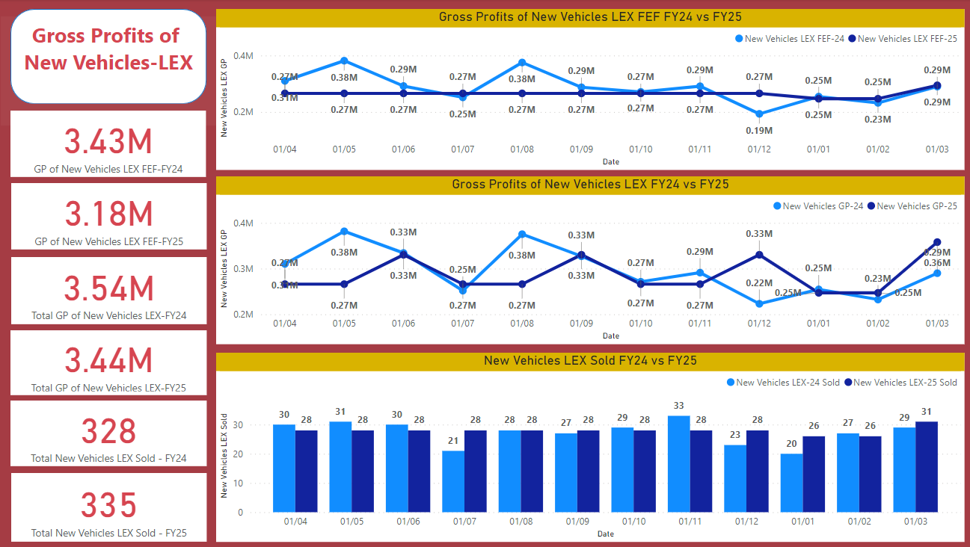
...
Note | Need to discuss monthly rental demo fees to LEX service departments
 |  |  |  |  |  |  |  |  |  |  |  |  | -$343,149
 |  |  |  |  |  |  |  |  |  |  |  |  | -$36
 |  |  |  |  |  |  |  |  |  |  |  |  | -$3

Variable Expenses | $26,016 | $26,016 | $26,209 | $26,016 | $26,016 | $26,209 | $26,016 | $26,016 | $26,209 | $24,659 | $24,659 | $32,117 | $316,154
Semi Fixed Expenses | $54,792 | $54,792 | $54,792 | $54,792 | $54,792 | $54,792 | $54,792 | $54,792 | $54,792 | $54,792 | $54,792 | $54,792 | $657,505
Total Expenses | $80,808 | $80,808 | $81,001 | $80,808 | $80,808 | $81,001 | $80,808 | $80,808 | $81,001 | $79,451 | $79,451 | $86,909 | $973,659
 |  |  |  |  |  |  |  |  |  |  |  |  | $0 | check

LEX - Used Vehicles
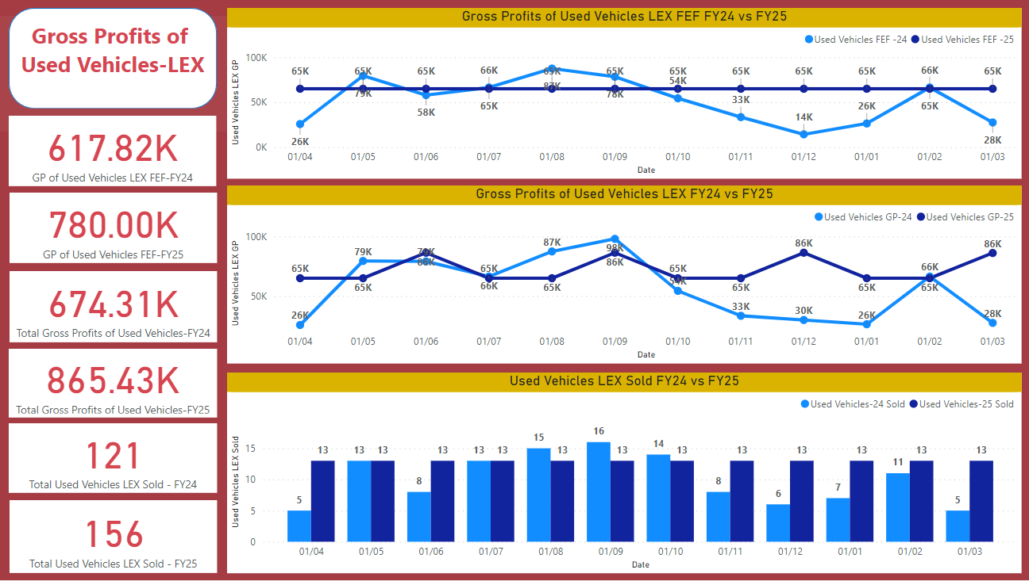
...
Wholesale Gross Profit | $0 | $0 | $0 | $0 | $0 | $0 | $0 | $0 | $0 | $0 | $0 | $0 | $0
Selling Gross on UV | $39,062 | $39,062 | $60,418 | $39,062 | $39,062 | $60,418 | $39,062 | $39,062 | $60,418 | $39,062 | $39,062 | $60,164 | $553,916

av. revenue p.u | 65,000 | 65,000 | 65,000 | 65,000 | 65,000 | 65,000 | 65,000 | 65,000 | 65,000 | 65,000 | 65,000 | 65,000

Total NV Revenue | 845,000 | 845,000 | 845,000 | 845,000 | 845,000 | 845,000 | 845,000 | 845,000 | 845,000 | 845,000 | 845,000 | 845,000 | 10,140,000

Variable Expenses | $9,276 | $9,276 | $9,340 | $9,276 | $9,276 | $9,340 | $9,276 | $9,276 | $9,340 | $9,276 | $9,276 | $9,340 | $111,569
Semi Fixed Expenses | $16,662 | $16,662 | $16,662 | $16,662 | $16,662 | $16,662 | $16,662 | $16,662 | $16,662 | $16,662 | $16,662 | $16,662 | $199,940
Total Expenses | $25,938 | $25,938 | $26,002 | $25,938 | $25,938 | $26,002 | $25,938 | $25,938 | $26,002 | $25,938 | $25,938 | $26,001 | $311,509
 |  |  |  |  |  |  |  |  |  |  |  |  | $0 | check

LEX - F&I
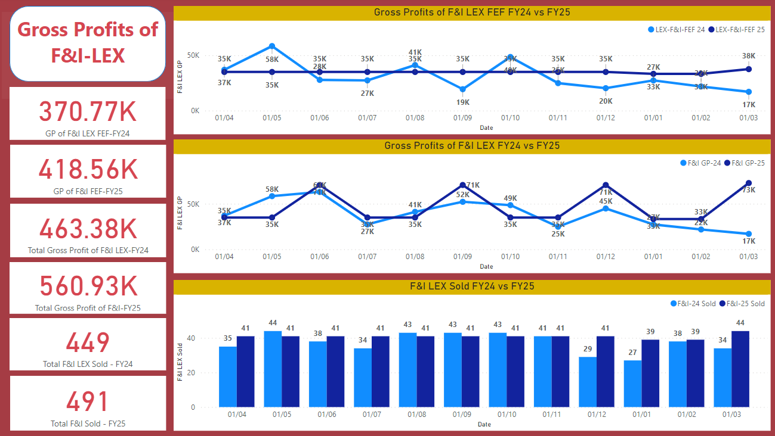
...
F&I Income / Unit | $852 | $852 | $852 | $852 | $852 | $852 | $852 | $852 | $852 | $852 | $852 | $852 | $852 | 11 month average
Total F&I Costs / Unit | $289 | $289 | $289 | $289 | $289 | $289 | $289 | $289 | $289 | $303 | $303 | $269 | $290
Selling Gross / Unit | $564 | $564 | $1,435 | $564 | $564 | $1,435 | $564 | $564 | $1,435 | $549 | $549 | $1,385 | $847

Total F&I Gross profit | $34,951 | $34,951 | $70,651 | $34,951 | $34,951 | $70,651 | $34,951 | $34,951 | $70,651 | $33,246 | $33,246 | $72,783 | $560,929
Total Selling Expenses | $11,836 | $11,836 | $11,836 | $11,836 | $11,836 | $11,836 | $11,836 | $11,836 | $11,836 | $11,836 | $11,836 | $11,836 | $142,028
Total Selling Gross | $23,115 | $23,115 | $58,815 | $23,115 | $23,115 | $58,815 | $23,115 | $23,115 | $58,815 | $21,410 | $21,410 | $60,947 | $418,901

Total Selling Expenses | $11,836 | $11,836 | $11,836 | $11,836 | $11,836 | $11,836 | $11,836 | $11,836 | $11,836 | $11,836 | $11,836 | $11,836 | $142,028
 |  |  |  |  |  |  |  |  |  |  |  |  | $0 | check

LEX - Parts
2025 LEX Total Parts Sales
Apr-24 | $27,024
May-24 | $30,709
Jun-24 | $25,182
Jul-24 | $30,709
Aug-24 | $30,095
Sep-24 | $28,253
Oct-24 | $29,481
Nov-24 | $28,867
Dec-24 | $27,024
Jan-25 | $27,024
Feb-25 | $25,796
Mar-25 | $28,867
...
 |  |  |  |  |  |  |  |  |  |  |  |  | 12 months Services sales average
Seasonality | 0.95 | 1.11 | 0.97 | 0.98 | 1.17 | 1.12 | 0.99 | 1.08 | 0.83 | 0.81 | 1.04 | 0.95 | $26,907
Seasonality based on working day | 0.96 | 1.09 | 0.89 | 1.09 | 1.07 | 1.00 | 1.04 | 1.02 | 0.96 | 0.96 | 0.91 | 1.02

Total Selling Expenses | $5,013 | $5,013 | $5,013 | $5,013 | $5,013 | $5,013 | $5,013 | $5,013 | $5,013 | $5,013 | $5,013 | $5,013 | $60,158
 |  |  |  |  |  |  |  |  |  |  |  |  | $0 | check
Total GP Excl FEF FY24 | $3,237 | $3,237 | $4,203 | $3,916 | $4,810 | $4,643 | $6,710 | $9,067 | $7,483 | $7,783 | $7,781 | $5,688 | $68,558
Total GP Excl FEF FY25 | $5,705 | $6,483 | $5,316 | $6,483 | $6,353 | $5,964 | $6,224 | $6,094 | $5,705 | $5,705 | $5,446 | $6,094 | $71,574
Total GP Incl FEF FY24 | $3,237 | $3,237 | $46,464 | $3,916 | $4,810 | $44,034 | $6,710 | $9,067 | $36,961 | $7,783 | $7,781 | $40,122 | $214,123
Total GP Incl FEF FY25 | $5,705 | $6,483 | $26,736 | $6,483 | $6,353 | $27,384 | $6,224 | $6,094 | $27,125 | $5,705 | $5,446 | $27,259 | $156,999

GP Excl FEF FY24 VS FY25
 | Total GP Excl FEF FY24 | Total GP Excl FEF FY25
Apr-24 | $3,237 | $5,705
May-24 | $3,237 | $6,483
Jun-24 | $4,203 | $5,316
Jul-24 | $3,916 | $6,483
Aug-24 | $4,810 | $6,353
Sep-24 | $4,643 | $5,964
Oct-24 | $6,710 | $6,224
Nov-24 | $9,067 | $6,094
Dec-24 | $7,483 | $5,705
Jan-25 | $7,783 | $5,705
Feb-25 | $7,781 | $5,446
Mar-25 | $5,688 | $6,094
GP Incl FEF FY24 VS FY25
 | Total GP Incl FEF FY24 | Total GP Incl FEF FY25
Apr-24 | $3,237 | $5,705
May-24 | $3,237 | $6,483
Jun-24 | $46,464 | $26,736
Jul-24 | $3,916 | $6,483
Aug-24 | $4,810 | $6,353
Sep-24 | $44,034 | $27,384
Oct-24 | $6,710 | $6,224
Nov-24 | $9,067 | $6,094
Dec-24 | $36,961 | $27,125
Jan-25 | $7,783 | $5,705
Feb-25 | $7,781 | $5,446
Mar-25 | $40,122 | $27,259

LEX - Service
...
Seasonalities | 0.89 | 1.33 | 1.04 | 1.12 | 1.16 | 1.09 | 0.80 | 1.00 | 0.87 | 0.87
Seasonality based on working day | 0.96 | 1.09 | 0.89 | 1.09 | 1.07 | 1.00 | 1.04 | 1.02 | 0.96 | 0.96

Total Selling Expenses | $37,842 | $37,842 | $37,842 | $37,842 | $37,842 | $37,842 | $37,842 | $37,842 | $37,842 | $37,842
...
Total GP Excl FEF FY24 | $43,055 | $75,340 | $49,346 | $51,114 | $59,151 | $53,086 | $44,992 | $54,658 | $46,509 | $32,055
Total GP Excl FEF FY25 | $52,257 | $59,383 | $48,694 | $59,383 | $58,195 | $54,632 | $57,008 | $55,820 | $52,257 | $52,257

GP Excl FEF FY24 VS FY25
 | Total GP Excl FEF FY24 | Total GP Excl FEF FY25
Apr-24 | $43,055 | $52,257
May-24 | $75,340 | $59,383
Jun-24 | $49,346 | $48,694
Jul-24 | $51,114 | $59,383
Aug-24 | $59,151 | $58,195
Sep-24 | $53,086 | $54,632
Oct-24 | $44,992 | $57,008
Nov-24 | $54,658 | $55,820
Dec-24 | $46,509 | $52,257
Jan-25 | $32,055 | $52,257
Feb-25 | $34,909 | $49,882
Mar-25 | $40,597 | $55,820

Bridgestone Group
...
Total Parts Sales Growth | 2024 | 2023 | 2022 | 2021 | 2020 | 2019 | 2018 |  | Growth Factor
935 | $1,830,118 | $2,075,379 | $1,745,074 | $1,485,853 | $1,480,328 | $1,453,247 | 1419991.6
 | -12% | 19% | 17% | 0% | 2% | 2% |  |  | 5%
936 | $860,205 | $788,651 | $732,813 | $790,392 | $867,034 | $792,502 | $817,329
 | 9% | 8% | -7% | -9% | 9% | -3% |  |  | 1%

Total Selling Expenses | $45,809 | $45,809 | $45,809 | $45,809 | $45,809 | $45,809 | $45,809 | $45,809 | $45,809 | $45,809
...
Total GP FY24 | $71,259 | $99,432 | $90,340 | $94,892 | $96,010 | $95,237 | $89,421 | $108,574 | $94,418 | $95,206
Total GP FY25 | $67,969 | $82,914 | $79,657 | $87,167 | $99,551 | $99,917 | $100,387 | $109,829 | $100,718 | $97,513

Total GP FY24 VS FY25
 | Total GP FY24 | Total GP FY25
Apr-24 | $71,259 | $67,969
May-24 | $99,432 | $82,914
Jun-24 | $90,340 | $79,657
Jul-24 | $94,892 | $87,167
Aug-24 | $96,010 | $99,551
Sep-24 | $95,237 | $99,917
Oct-24 | $89,421 | $100,387
Nov-24 | $108,574 | $109,829
Dec-24 | $94,418 | $100,718
Jan-25 | $95,206 | $97,513
Feb-25 | $84,504 | $83,787
Mar-25 | $93,482 | $111,031

Bridgestone 935
...
Total Types Gross profit | $52,080 | $64,099 | $62,096 | $52,882 | $66,102 | $67,304 | $66,102 | $70,108 | $68,105 | $64,900
Total Selling Gross | $15,548 | $27,567 | $25,564 | $16,349 | $29,570 | $30,772 | $29,570 | $33,576 | $31,573 | $28,368

Seasonalities | 0.07 | 0.08 | 0.08 | 0.07 | 0.09 | 0.09 | 0.09 | 0.09 | 0.09 | 0.09

Total Selling Expenses | $36,532 | $36,532 | $36,532 | $36,532 | $36,532 | $36,532 | $36,532 | $36,532 | $36,532 | $36,532
...
Total GP FY24 | $50,405 | $69,049 | $58,061 | $61,446 | $65,537 | $64,740 | $59,212 | $71,731 | $62,812 | $63,874
Total GP FY25 | $52,080 | $64,099 | $62,096 | $52,882 | $66,102 | $67,304 | $66,102 | $70,108 | $68,105 | $64,900
Total GP FY24 VS FY25
 | Total GP FY24 | Total GP FY25
 | $50,405 | $52,080
 | $69,049 | $64,099
 | $58,061 | $62,096
 | $61,446 | $52,882
 | $65,537 | $66,102
 | $64,740 | $67,304
 | $59,212 | $66,102
 | $71,731 | $70,108
 | $62,812 | $68,105
 | $63,874 | $64,900
 | $55,891 | $53,683
 | $71,056 | $71,310

Bridgestone 936
...
Total Types Gross profit | $15,888 | $18,815 | $17,561 | $34,285 | $33,449 | $32,613 | $34,285 | $39,721 | $32,613 | $32,613 | $30,104
Total Selling Gross | $6,612 | $9,538 | $8,284 | $25,009 | $24,172 | $23,336 | $25,009 | $30,444 | $23,336 | $23,336 | $20,827

Seasonalities | 0.77 | 0.99 | 0.95 | 1.00 | 1.14 | 0.94 | 1.16 | 1.10 | 1.01 | 0.97 | 0.97

Total Selling Expenses | $9,277 | $9,277 | $9,277 | $9,277 | $9,277 | $9,277 | $9,277 | $9,277 | $9,277 | $9,277 | $9,277
...
Total GP FY24 | $20,854 | $30,383 | $32,279 | $33,445 | $30,472 | $30,498 | $30,210 | $36,844 | $31,606 | $31,332 | $28,612
Total GP FY25 | $15,888 | $18,815 | $17,561 | $34,285 | $33,449 | $32,613 | $34,285 | $39,721 | $32,613 | $32,613 | $30,104
Total GP FY24
 | Total GP FY24 | Total GP FY25
 | $20,854 | $15,888
 | $30,383 | $18,815
 | $32,279 | $17,561
 | $33,445 | $34,285
 | $30,472 | $33,449
 | $30,498 | $32,613
 | $30,210 | $34,285
 | $36,844 | $39,721
 | $31,606 | $32,613
 | $31,332 | $32,613
 | $28,612 | $30,104
 | $22,426 | $39,721

Retail Detailing
...
Average Hourly rates for groomers | $27 | Increase from $25 to $27
Fixed sub-charge to service departments | $19,220

75% - 140 | $14,415 | $14,415 | $14,415 | $14,415 | $14,415 | $14,415 | $14,415 | $14,415 | $14,415 | $14,415
25% - 142 | $4,805 | $4,805 | $4,805 | $4,805 | $4,805 | $4,805 | $4,805 | $4,805 | $4,805 | $4,805

Selling Expenses | $46,660 | $46,660 | $46,660 | $46,660 | $46,660 | $46,660 | $46,660 | $46,660 | $46,660 | $46,660
...
Total GP FY24 | $11,016 | $22,141 | $22,717 | $31,514 | $44,750 | $43,975 | $42,367 | $47,084 | $30,119 | $27,558
Total GP FY25 | $43,654 | $43,654 | $43,654 | $43,654 | $43,654 | $43,654 | $43,654 | $43,654 | $43,654 | $43,654

Total GP FY24 VS FY25
 | Total GP FY24 | Total GP FY25
Apr-24 | $11,016 | $43,654
May-24 | $22,141 | $43,654
Jun-24 | $22,717 | $43,654
Jul-24 | $31,514 | $43,654
Aug-24 | $44,750 | $43,654
Sep-24 | $43,975 | $43,654
Oct-24 | $42,367 | $43,654
Nov-24 | $47,084 | $43,654
Dec-24 | $30,119 | $43,654
Jan-25 | $27,558 | $43,654
Feb-25 | $34,030 | $43,654
Mar-25 | $30,604 | $43,654

